Option value
Valuing Options or Warrants
Enter the current stock price = |  |  | 2467.00
Enter the strike price on the option = |  |  | 860.00
Enter the expiration of the option = |  |  | 4.00
Enter the standard deviation in stock prices = |  |  | 0.30% | (volatility) |  |  | Grant Date | No. of options granted | Exercise Price | Maturity | Expected Volatility | Expected Dividend
Enter the annualized dividend yield on stock = |  |  | 0.00% |  |  | 1 | 2023-03-31 | 26325 | 860 | 4 | 27.85% | 0
Enter the Risk Free rate = |  |  | 4.21% |  |  | 2 | 2023-03-31 | 209302 | 860 | 4 | 27.85% | 0
Enter the number of options outstanding = |  |  | 0.11 |  |  | 3 | 2023-03-31 | 313954 | 860 | 4 | 27.85% | 0
Enter the number of shares outstanding = |  |  | 41.30 |  |  | 4 | 2023-03-31 | 418605 | 860 | 4 | 27.85% | 0
 |  |  |  |  |  | 5 | 2023-10-13 | 0 | 860 | 4 | 27.12% | 0
Do not input any numbers below this line |  |  |  |  |  | 6 | 2023-10-13 | 14000 | 860 | 4 | 27.12% | 0
VALUING OPTIONS WHEN THERE IS DILUTION |  |  |  |  |  | 7 | 2023-10-13 | 21000 | 860 | 4 | 27.12% | 0
Stock Price= |  | 2467.00 | # Warrants issued= |  | 0.11 | 8 | 2023-10-13 | 28000 | 860 | 4 | 27.12% | 0
Strike Price= |  | 860.00 | # Shares outstanding= |  | 41.30 | 9 | 2024-05-15 | 5813 | 860 | 4 | 26.49% | 0
Adjusted S = |  | 2465.06 | T.Bond rate= |  | 4.21% | 10 | 2024-05-15 | 11627 | 860 | 4 | 26.49% | 0
Adjusted K = |  | 860.00 | Variance= |  | 0.0000090 | 11 | 2024-05-15 | 17441 | 860 | 4 | 26.49% | 0
Expiration (in years) = |  | 4.00 | Annualized dividend yield= |  | 0.00% | 12 | 2024-05-15 | 23258 | 860 | 4 | 26.49% | 0
 |  |  | Div. Adj. interest rate= |  | 4.21% | 13 | 2024-07-31 | 3800 | 860 | 4 | 26.53% | 0
 |  |  |  |  |  | 14 | 2024-07-31 | 7600 | 860 | 4 | 26.53% | 0
d1 = | 203.58 |  |  |  |  | 15 | 2024-07-31 | 11400 | 860 | 4 | 26.53% | 0
N (d1) = | 1.00 |  |  |  |  | 16 | 2024-07-31 | 15200 | 860 | 4 | 26.53% | 0
 |  |  |  |  |  |  |  | Weighted Average | 860.0 | 4.0 | 0.3 | 0.0
d2 = | 203.57
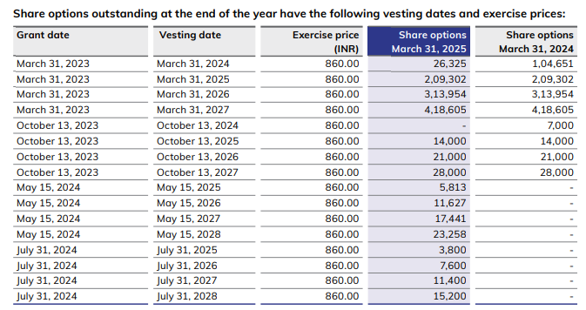
N (d2) = | 1.00

Value per option = |  | 1738.35
Value of all options outstanding = |  |  | 191

WACC
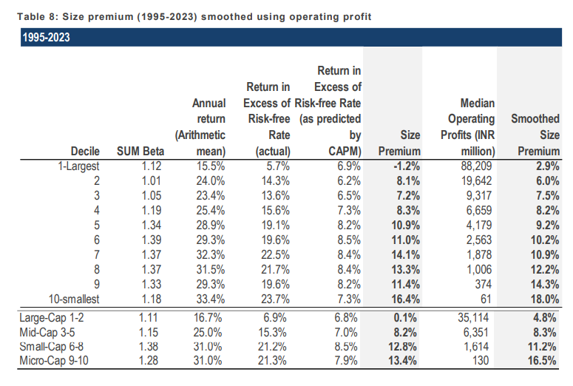
Mankind Pharma Ltd
Weighted Average Cost of Capital

Particulars | Low | Mid | High |  | Risk Free Rate

Risk Free Rate | 4.21% | 4.21% | 4.21% |  | We have considered 4.21% as the risk free rate in the estimation of cost of equity of 8.88%. The risk free rate of India is calculated by considering local currency 10 Year Government Bond Yield adjusted for default spread of India.
Equity Risk Premium | 6.00% | 6.00% | 6.00%
Asset Beta | 0.49 | 0.54 | 0.59
D/E Ratio | 0.6x | 0.6x | 0.6x
Equity Beta | 0.71 | 0.78 | 0.85
CAPM Cost of Equity | 8.4% | 8.9% | 9.3% |  | Asset Beta

Small Size Premium | 2.90% | 2.90% | 2.90% |  | We have estimated an Asset Beta Range of 0.49 to 0.59, with a mid point of 0.54 based on observed median 2 Year weekly asset beta of benchmarked listed companies adjusted for blume effect.
Asset Specific Premium | 0.00% | 0.00% | 0.00%
Modified Cost of Equity | 11.3% | 11.8% | 12.2%

Pre Tax Cost of Debt | 7.22% | 7.22% | 7.22%
Marginal Tax Rate | 25% | 25% | 25% |  | Equity Risk Premium (ERP)
Post Tax Cost of Debt | 5.4% | 5.4% | 5.4%
 |  |  |  |  | An ERP of 6.00% has been adopted based on US Implied ERP, relative equity volatility of ICE BoFA Public Sector Issues Emerging Markets Index, S&P Emerging BMI Index and country risk premium of India.
Capital Gearing (D/D+E) | 36.8% | 36.8% | 36.8%
Weighted Average Cost of Capital | 9.16% | 9.44% | 9.71%
Weighted Average Cost of Capital (Rounded) | 10.00% | 10.00% | 10.00%
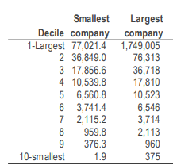
1. Tax rate considered as Marginal Tax Rate of India |  |  |  |  | Cost of Debt
2.Asset Beta is considered as median of 5 years beta of comps adjusted for blume affect
3.Equity Beta = Asset Beta*(1+(1-Tax Rate%)*Debt/Equity) |  |  |  |  | For the purpose of assessing cost of Debt, we have used country's Risk Free Rate, country's default spread and corporate default spread on company's debt rating and interest coverage ratio.

Mankind Pharma Ltd
Beta Analysis - 2 Years Weekly

Comparable Company | Ticker | No. of Weekly Observations | Market Cap | Asset Beta | 2 Years Avg D/E | Equity Beta | 2 Years Avg D/D+E | Consideration ? | Narrow Set

Sun Pharmaceutical Industries Ltd | NSE: SUNPHARMA | 104 | 380,750 | 0.45 | 0.03 | 0.46 | 0.03 | Yes | TRUE | Yes
Torrent Pharmaceuticals Ltd | NSE: TORNTPHARM | 104 | 120,928 | 0.42 | 0.49 | 0.58 | 0.32 | No | FALSE | No
Cipla Ltd | NSE: CIPLA | 104 | 120,016 | 1.22 | 0.01 | 1.23 | 0.01 | Yes | TRUE
Dr. Reddy's Laboratories Ltd | NSE: DRREDDY | 104 | 10,101 | 0.33 | 0.91 | 0.56 | 0.46 | No | FALSE
Zydus Lifesciences Ltd | NSE: ZYDUSLIFE | 104 | 94,199 | 0.68 | 0.09 | 0.72 | 0.08 | Yes | TRUE

Median - Broad Set |  |  |  | 0.45 | 0.09 | 0.58 | 0.08
Average - Broad Set |  |  |  | 0.62 | 0.30 | 0.71 | 0.18

Mankind Pharma Ltd
Beta Analysis - 5 Years Monthly

Comparable Company | Ticker | No. of Monthly Observations | Market Cap | Asset Beta | 5 Years Avg D/E | Equity Beta | 5 Years Avg D/D+E | Consideration ? | Narrow Set

Sun Pharmaceutical Industries Ltd | NSE: SUNPHARMA | 60 | 380,750 | 0.54 | 0.05 | 0.56 | 0.05 | Yes | TRUE | Yes
Torrent Pharmaceuticals Ltd | NSE: TORNTPHARM | 60 | 120,928 | 0.22 | 0.63 | 0.33 | 0.38 | No | FALSE | No
Cipla Ltd | NSE: CIPLA | 60 | 120,016 | 0.40 | 0.04 | 0.41 | 0.03 | Yes | TRUE
Dr. Reddy's Laboratories Ltd | NSE: DRREDDY | 60 | 10,101 | 0.62 | 0.44 | 0.82 | 0.25 | No | FALSE
Zydus Lifesciences Ltd | NSE: ZYDUSLIFE | 60 | 94,199 | 0.69 | 0.14 | 0.76 | 0.12 | Yes | TRUE

Median - Broad Set |  |  |  | 0.54 | 0.14 | 0.56 | 0.12
Average - Broad Set |  |  |  | 0.49 | 0.26 | 0.576 | 0.17

Blume Beta Analysis - 5 Years Monthly

Comparable Company | Ticker | No. of Monthly Observations | Market Cap | Asset Beta | 5 Years Avg D/E | Equity Beta | 5 Years Avg D/D+E | Consideration ? | Narrow Set

Sun Pharmaceutical Industries Ltd | NSE: SUNPHARMA | 60 | 380,750 | 0.54 | 0.05 | 0.56 | 0.05 | Yes | TRUE | Yes
Torrent Pharmaceuticals Ltd | NSE: TORNTPHARM | 60 | 120,928 | 0.22 | 0.63 | 0.33 | 0.38 | Yes | TRUE | No
Cipla Ltd | NSE: CIPLA | 60 | 120,016 | 0.40 | 0.04 | 0.41 | 0.03 | Yes | TRUE
Dr. Reddy's Laboratories Ltd | NSE: DRREDDY | 60 | 10,101 | 0.62 | 0.44 | 0.82 | 0.25 | No | FALSE
Zydus Lifesciences Ltd | NSE: ZYDUSLIFE | 60 | 94,199 | 0.69 | 0.14 | 0.76 | 0.12 | Yes | TRUE

Median - Broad Set |  |  |  | 0.54 | 0.14 | 0.56 | 0.12
Average - Broad Set |  |  |  | 0.49 | 0.26 | 0.576 | 0.17

We are taking =G84 as asset beta of botteling unit

Report
 | Mankind Pharma Limited was incorporated on July 3, 1991, as a Private Limited Company with the name "Mankind Pharma Private Limited", by the Registrar of Companies, Delhi and Haryana, at New Delhi. Pursuant to conversion of Company to a Public Limited dated July 14, 2005, name of the Company was changed to "Mankind Pharma Limited" and the RoC issued a fresh Certificate of Incorporation on April 13, 2006. The Company is engaged in developing, manufacturing and marketing a diverse range of pharmaceutical formulations and chronic therapeutic areas across, as well as several consumer healthcare products. It is present in several acute and chronic therapeutic areas in India, including anti-infectives, cardiovascular, gastrointestinal, anti-diabetic, neuro/CNS, vitamins /minerals / nutrients and respiratory. In 2004, the Company entered the chronic pharmaceutical segment with the launch of `Amlokind' tablets and `Glimestar' tablets amongst others. It set up their first manufacturing facility at Paonta Sahib, in Himachal Pradesh during year 2005. It entered the ophthalmic pharmaceutical segment with the launching of `Lubistar Eye Drops' and `Tobastar Eye Drops'. In 2007, the Company diversified into the consumer healthcare segment with the launch of `Manforce' brand and have since established several differentiated brands in condoms, pregnancy detection, emergency contraceptives, antacid powders, vitamin and mineral supplements and anti-acne preparations categories. It entered into the business of animal healthcare segment and launched `Bandykind' and `Ceftiforce'. It established their Unit II manufacturing facility at Paonta Sahib, Himachal Pradesh in year 2009. It launched the brand, `Preganews' into the consumer healthcare segment in year, 2010. In 2012, it set up their first R&D centre at IMT Manesar, in Haryana. Thereafter, in year 2014, the Company acquired Shree Jee Laboratory Private Limited along with its API manufacturing site at Behror, Rajasthan. It set up the

 | Mankind Pharma Limited was incorporated on July 3, 1991, as a Private Limited Company with the name "Mankind Pharma Private Limited", by the Registrar of Companies, Delhi and Haryana, at New Delhi.The Company is engaged in developing, manufacturing and marketing a diverse range of pharmaceutical formulations and chronic therapeutic areas across, as well as several consumer healthcare products.
 | The company operates 30 manufacturing units across various locations, including 22 units in Paonta Sahib (Himachal Pradesh), 2 units in Haridwar (Uttarakhand), and 2 units in Udaipur & Behror (Rajasthan). Additionally, it has one unit each in South Sikkim (Sikkim) , Pune ( Maharashtra) , Vishakhapatnam (Andhara Pradesh) , Birgunj (Nepal)

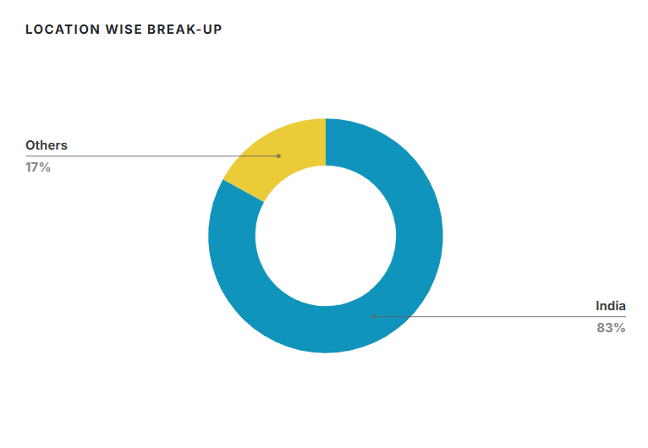
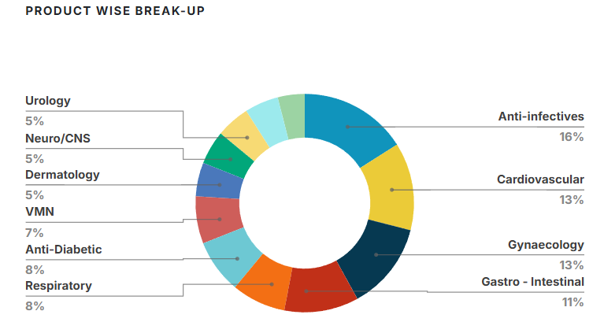

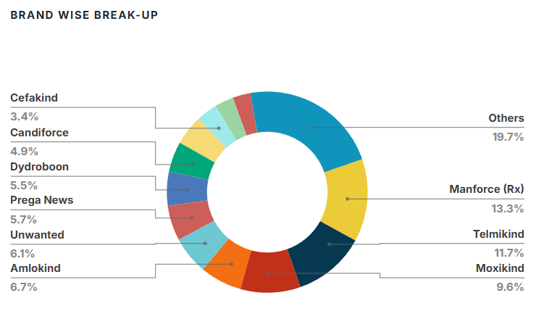
 |  |  |  |  |  |  |  |  |  |  |  |  |  |  | Date | Price
 |  |  |  |  |  |  |  |  |  |  |  |  |  | Aug-25 | 08/22/2025 | 2,606.80 | Aug-25 | 2,606.80
 |  |  |  |  |  |  |  |  |  |  |  |  |  | Aug-25 | 08/21/2025 | 2,600.10 | Aug-25 | 2,600.10
 |  |  |  |  |  |  |  |  |  |  |  |  |  | Aug-25 | 08/20/2025 | 2,506.60 | Aug-25 | 2,506.60
 |  |  |  |  |  |  |  |  |  |  |  |  |  | Aug-25 | 08/19/2025 | 2,492.20 | Aug-25 | 2,492.20
 |  |  |  |  |  |  |  |  |  |  |  |  |  | Aug-25 | 08/18/2025 | 2,472.40 | Aug-25 | 2,472.40
 |  |  |  |  |  |  |  |  |  |  |  |  |  | Aug-25 | 08/14/2025 | 2,472.60 | Aug-25 | 2,472.60
 |  |  |  |  |  |  |  |  |  |  |  |  |  | Aug-25 | 08/13/2025 | 2,466.00 | Aug-25 | 2,466.00
 |  |  |  |  |  |  |  |  |  |  |  |  |  | Aug-25 | 2025-12-08 | 2,430.70 | Aug-25 | 2,430.70
 |  | Manforce | 13.3% |  |  |  |  |  |  |  |  |  |  | Aug-25 | 2025-11-08 | 2,437.50 | Aug-25 | 2,437.50
 |  | Telmikind | 11.7% |  |  |  |  |  |  |  |  |  |  | Aug-25 | 2025-08-08 | 2,467.10 | Aug-25 | 2,467.10
 |  | Moxikind | 9.6% |  |  |  |  |  |  |  |  |  |  | Aug-25 | 2025-07-08 | 2,537.80 | Aug-25 | 2,537.80
 |  | Amlokind | 6.7% |  |  |  |  |  |  |  |  |  |  | Aug-25 | 2025-06-08 | 2,556.20 | Aug-25 | 2,556.20
 |  | Unwanted 72 | 6.1% |  |  |  |  |  |  |  |  |  |  | Aug-25 | 2025-05-08 | 2,618.90 | Aug-25 | 2,618.90
 |  | Preganews | 5.7% |  |  |  |  |  |  |  |  |  |  | Aug-25 | 2025-04-08 | 2,628.90 | Aug-25 | 2,628.90
 |  | Candiforce | 4.9% |  |  |  |  |  |  |  |  |  |  | Aug-25 | 2025-01-08 | 2,566.30 | Aug-25 | 2,566.30
 |  | Dydroboon | 5.5% |  |  |  |  |  |  |  |  |  |  | Jul-25 | 07/31/2025 | 2,567.20 | Jul-25 | 2,567.20
 |  | Cefakind | 3.4% |  |  |  |  |  |  |  |  |  |  | Jul-25 | 07/30/2025 | 2,575.50 | Jul-25 | 2,575.50
 |  | Gudcef | 3.0% |  |  |  |  |  |  |  |  |  |  | Jul-25 | 07/29/2025 | 2,554.70 | Jul-25 | 2,554.70
 |  | Monticope | 2.9% |  |  |  |  |  |  |  |  |  |  | Jul-25 | 07/28/2025 | 2,541.60 | Jul-25 | 2,541.60
 |  | Others | 27.2% |  |  |  |  |  |  |  |  |  |  | Jul-25 | 07/25/2025 | 2,603.40 | Jul-25 | 2,603.40
 |  |  |  |  |  |  |  |  |  |  |  |  |  | Jul-25 | 07/24/2025 | 2,589.50 | Jul-25 | 2,589.50
 |  |  |  |  |  |  |  |  |  |  |  |  |  | Jul-25 | 07/23/2025 | 2,599.00 | Jul-25 | 2,599.00
 |  |  |  |  |  |  |  |  |  |  |  |  |  | Jul-25 | 07/22/2025 | 2,670.50 | Jul-25 | 2,670.50
 |  | Anti-infectives | 16% |  |  |  |  |  |  |  |  |  |  | Jul-25 | 07/21/2025 | 2,646.00 | Jul-25 | 2,646.00
 |  | Cardiovascular | 13% |  |  |  |  |  |  |  |  |  |  | Jul-25 | 07/18/2025 | 2,652.30 | Jul-25 | 2,652.30
 |  | Gynaecology | 13% |  |  |  |  |  |  |  |  |  |  | Jul-25 | 07/17/2025 | 2,639.30 | Jul-25 | 2,639.30
 |  | Gasto-Intestinal | 11% |  |  |  |  |  |  |  |  |  |  | Jul-25 | 07/16/2025 | 2,625.50 | Jul-25 | 2,625.50
 |  | Respiratory | 8% |  |  |  |  |  |  |  |  |  |  | Jul-25 | 07/15/2025 | 2,651.00 | Jul-25 | 2,651.00
 |  | Anti- Diabetic | 8% |  |  |  |  |  |  |  |  |  |  | Jul-25 | 07/14/2025 | 2,696.50 | Jul-25 | 2,696.50
 |  | Others | 31% |  |  |  |  |  |  |  |  |  |  | Jul-25 | 2025-11-07 | 2,578.30 | Jul-25 | 2,578.30
 |  |  |  |  |  |  |  |  |  |  |  |  |  | Jul-25 | 2025-10-07 | 2,544.00 | Jul-25 | 2,544.00
Product Wise Breakup
 |  |  |  |  |  |  |  |  |  |  |  |  |  | Jul-25 | 2025-09-07 | 2,526.60 | Jul-25 | 2,526.60
 |  |  |  |  |  |  |  |  |  |  |  |  |  | Jul-25 | 2025-08-07 | 2,431.70 | Jul-25 | 2,431.70
 |  |  |  |  |  |  |  |  |  |  |  |  |  | Jul-25 | 2025-07-07 | 2,410.40 | Jul-25 | 2,410.40
 |  |  |  |  |  |  |  |  |  |  |  |  |  | Jul-25 | 2025-04-07 | 2,439.50 | Jul-25 | 2,439.50
 |  |  |  |  |  |  |  |  |  |  |  |  |  | Jul-25 | 2025-03-07 | 2,361.70 | Jul-25 | 2,361.70
 |  |  |  |  |  |  |  |  |  |  |  |  |  | Jul-25 | 2025-02-07 | 2,384.70 | Jul-25 | 2,384.70
 |  |  |  |  |  |  |  |  |  |  |  |  |  | Jul-25 | 2025-01-07 | 2,287.00 | Jul-25 | 2,287.00
 |  |  |  |  |  |  |  |  |  |  |  |  |  | Jun-25 | 06/30/2025 | 2,319.80 | Jun-25 | 2,319.80
 |  |  |  |  |  |  |  |  |  |  |  |  |  | Jun-25 | 06/27/2025 | 2,333.40 | Jun-25 | 2,333.40
 |  |  |  |  |  |  |  |  |  |  |  |  |  | Jun-25 | 06/26/2025 | 2,303.50 | Jun-25 | 2,303.50
 |  |  |  |  |  |  |  |  |  |  |  |  |  | Jun-25 | 06/25/2025 | 2,308.80 | Jun-25 | 2,308.80
 |  |  |  |  |  |  |  |  |  |  |  |  |  | Jun-25 | 06/24/2025 | 2,307.50 | Jun-25 | 2,307.50
 |  |  |  |  |  |  |  |  |  |  |  |  |  | Jun-25 | 06/23/2025 | 2,300.60 | Jun-25 | 2,300.60
 |  |  |  |  |  |  |  |  |  |  |  |  |  | Jun-25 | 06/20/2025 | 2,288.80 | Jun-25 | 2,288.80
 |  |  |  |  |  |  |  |  |  |  |  |  |  | Jun-25 | 06/19/2025 | 2,325.20 | Jun-25 | 2,325.20
 |  |  |  |  |  |  |  |  |  |  |  |  |  | Jun-25 | 06/18/2025 | 2,358.30 | Jun-25 | 2,358.30
Global GDP Projections %
 |  |  |  |  |  |  |  |  |  |  |  |  |  | Jun-25 | 06/17/2025 | 2,353.20 | Jun-25 | 2,353.20
# | Global GDP Predictions |  |  |  |  |  |  |  |  |  |  |  |  | Jun-25 | 06/16/2025 | 2,370.00 | Jun-25 | 2,370.00
 |  |  |  |  |  |  |  |  |  |  |  |  |  | Jun-25 | 06/13/2025 | 2,381.30 | Jun-25 | 2,381.30
 |  | 2024A | 2025P | 2026P |  |  |  |  |  |  |  |  |  | Jun-25 | 2025-12-06 | 2,390.00 | Jun-25 | 2,390.00
 | World | 3.30% | 2.80% | 3.00% |  |  |  |  |  |  |  |  |  | Jun-25 | 2025-11-06 | 2,378.80 | Jun-25 | 2,378.80
 | Advanced Economies | 1.80% | 1.40% | 1.50% |  |  |  |  |  |  |  |  |  | Jun-25 | 2025-10-06 | 2,376.40 | Jun-25 | 2,376.40
 | Emerging Economies | 4.30% | 3.70% | 3.90% |  |  |  |  |  |  |  |  |  | Jun-25 | 2025-09-06 | 2,356.70 | Jun-25 | 2,356.70
 | Euro Area | 0.90% | 0.80% | 1.20% |  |  |  |  |  |  |  |  |  | Jun-25 | 2025-06-06 | 2,352.40 | Jun-25 | 2,352.40
 | US | 2.80% | 1.80% | 1.70% |  |  |  |  |  |  |  |  |  | Jun-25 | 2025-05-06 | 2,359.20 | Jun-25 | 2,359.20
 | Japan | 0.10% | 0.60% | 0.60% |  |  |  |  |  |  |  |  |  | Jun-25 | 2025-04-06 | 2,345.90 | Jun-25 | 2,345.90
 | UK | 1.10% | 1.10% | 1.40% |  |  |  |  |  |  |  |  |  | Jun-25 | 2025-03-06 | 2,352.40 | Jun-25 | 2,352.40
 | China | 5.00% | 4.00% | 4.00% |  |  |  |  |  |  |  |  |  | Jun-25 | 2025-02-06 | 2,414.30 | Jun-25 | 2,414.30
 | India | 6.50% | 6.20% | 6.30% |  |  |  |  |  |  |  |  |  | May-25 | 05/30/2025 | 2,467.70 | May-25 | 2,467.70
India vs Global GDP Growth
 |  |  |  |  |  |  |  |  |  |  |  |  |  | May-25 | 05/29/2025 | 2,461.80 | May-25 | 2,461.80
 |  |  |  |  |  |  |  |  |  |  |  |  |  | May-25 | 05/28/2025 | 2,483.80 | May-25 | 2,483.80
 |  |  |  |  |  |  |  |  |  |  |  |  |  | May-25 | 05/27/2025 | 2,454.80 | May-25 | 2,454.80
 |  | India | World |  |  |  |  |  |  |  |  |  |  | May-25 | 05/26/2025 | 2,430.30 | May-25 | 2,430.30
 | 2018 | 6.8% | 3.28% |  |  |  |  |  |  |  |  |  |  | May-25 | 05/23/2025 | 2,432.40 | May-25 | 2,432.40
 | 2019 | 6.5% | 2.69% |  |  |  |  |  |  |  |  |  |  | May-25 | 05/22/2025 | 2,439.20 | May-25 | 2,439.20
 | 2020 | 3.9% | -3.07% |  |  |  |  |  |  |  |  |  |  | May-25 | 05/21/2025 | 2,531.40 | May-25 | 2,531.40
 | 2021 | -5.8% | 6.02% |  |  |  |  |  |  |  |  |  |  | May-25 | 05/20/2025 | 2,549.20 | May-25 | 2,549.20
 | 2022 | 9.7% | 3.08% |  |  |  |  |  |  |  |  |  |  | May-25 | 05/19/2025 | 2,564.20 | May-25 | 2,564.20
 | 2023 | 7.6% | 2.83% |  |  |  |  |  |  |  |  |  |  | May-25 | 05/16/2025 | 2,572.70 | May-25 | 2,572.70
 | 2024 | 9.2% | 3.20% |  |  |  |  |  |  |  |  |  |  | May-25 | 05/15/2025 | 2,559.90 | May-25 | 2,559.90
 | 2025P | 6.5% | 3.00% |  |  |  |  |  |  |  |  |  |  | May-25 | 05/14/2025 | 2,554.60 | May-25 | 2,554.60
 |  |  |  |  |  |  |  |  |  |  |  |  |  | May-25 | 05/13/2025 | 2,547.30 | May-25 | 2,547.30
Indian GDP Quarterly Growth - Actual vs Projected
 |  |  |  |  |  |  |  |  |  |  |  |  |  | May-25 | 2025-12-05 | 2,500.00 | May-25 | 2,500.00
Quarterly GDP |  |  | Actual | Forcasted |  |  |  |  |  |  |  |  |  | May-25 | 2025-09-05 | 2,408.20 | May-25 | 2,408.20
 |  | Q1FY24 | 7.80% | 7.70% |  |  |  |  |  |  |  |  |  | May-25 | 2025-08-05 | 2,439.50 | May-25 | 2,439.50
 |  | Q2FY24 | 7.60% | 6.80% |  |  |  |  |  |  |  |  |  | May-25 | 2025-07-05 | 2,432.40 | May-25 | 2,432.40
 |  | Q3FY24 | 8.40% | 6.60% |  |  |  |  |  |  |  |  |  | May-25 | 2025-06-05 | 2,368.70 | May-25 | 2,368.70
 |  | Q4FY24 | 7.80% | 6.70% |  |  |  |  |  |  |  |  |  | May-25 | 2025-05-05 | 2,415.40 | May-25 | 2,415.40
 |  | Q1FY25 | 6.70% | 6.90% |  |  |  |  |  |  |  |  |  | May-25 | 2025-02-05 | 2,385.80 | May-25 | 2,385.80
 |  | Q2FY25 | 5.40% | 6.50% |  |  |  |  |  |  |  |  |  | Apr-25 | 04/30/2025 | 2,465.30 | Apr-25 | 2,465.30
 |  | Q3FY25 | 6.20% | 6.30% |  |  |  |  |  |  |  |  |  | Apr-25 | 04/29/2025 | 2,556.90 | Apr-25 | 2,556.90
 |  | Q4FY25 | 7.40% | 6.70% |  |  |  |  |  |  |  |  |  | Apr-25 | 04/28/2025 | 2,560.40 | Apr-25 | 2,560.40
 |  |  |  |  |  |  |  |  |  |  |  |  |  | Apr-25 | 04/25/2025 | 2,557.50 | Apr-25 | 2,557.50
 |  |  |  |  |  |  |  |  |  |  |  |  |  | Apr-25 | 04/24/2025 | 2,599.20 | Apr-25 | 2,599.20
 |  |  |  |  |  |  |  |  |  |  |  |  |  | Apr-25 | 04/23/2025 | 2,545.50 | Apr-25 | 2,545.50
The Indian pharmaceutical industry, currently valued at around US$50–58 billion, is one of the largest globally, with exports and the domestic market contributing almost equally. India has established itself as the world’s leading supplier of generic medicines, holding nearly a 20% global share by volume and exporting to over 200 countries and territories. As of 2023, India ranked as the third-largest producer of drugs and pharmaceuticals by volume and 14th by value, underscoring its cost competitiveness and scale.
The industry spans a broad range of segments, including generic medicines, over-the-counter (OTC) products, bulk drugs, vaccines, contract research, biosimilars, and biologics. Exports have grown steadily, from US$15 billion in FY2014 to US$27.85 billion in FY2024. India also plays a critical role in vaccine supply, meeting 65–70% of the World Health Organization’s (WHO) vaccine requirements for DPT, BCG, and measles.
The sector has delivered consistent growth, with the Indian pharmaceutical market valued at US$20 billion in 2019 and expanding at a CAGR of over 6% between 2020 and 2025. Looking ahead, the government has set ambitious targets—aiming to grow the industry to about US$200 billion by 2030 and further to US$450 billion by 2047. Alongside global shifts such as the “China Plus One” strategy, India’s scale, reliability, and growing focus on R&D are cementing its position as a cornerstone of the global pharmaceutical supply chain.
 |  |  |  |  |  |  |  |  |  |  |  |  |  | Apr-25 | 04/22/2025 | 2,579.50 | Apr-25 | 2,579.50
 |  |  |  |  |  |  |  |  |  |  |  |  |  | Apr-25 | 04/21/2025 | 2,588.40 | Apr-25 | 2,588.40
 |  |  |  |  |  |  |  |  |  |  |  |  |  | Apr-25 | 04/17/2025 | 2,581.60 | Apr-25 | 2,581.60
 |  |  |  |  |  |  |  |  |  |  |  |  |  | Apr-25 | 04/16/2025 | 2,520.00 | Apr-25 | 2,520.00
 |  |  |  |  |  |  |  |  |  |  |  |  |  | Apr-25 | 04/15/2025 | 2,426.10 | Apr-25 | 2,426.10
 |  |  |  |  |  |  |  |  |  |  |  |  |  | Apr-25 | 2025-11-04 | 2,350.50 | Apr-25 | 2,350.50
 |  |  |  |  |  |  |  |  |  |  |  |  |  | Apr-25 | 2025-09-04 | 2,313.95 | Apr-25 | 2,313.95
 |  |  |  |  |  |  |  |  |  |  |  |  |  | Apr-25 | 2025-08-04 | 2,347.50 | Apr-25 | 2,347.50
 |  |  |  |  |  |  |  |  |  |  |  |  |  | Apr-25 | 2025-07-04 | 2,383.45 | Apr-25 | 2,383.45
 |  |  |  |  |  |  |  |  |  |  |  |  |  | Apr-25 | 2025-04-04 | 2,451.20 | Apr-25 | 2,451.20
 |  |  |  |  |  |  |  |  |  |  |  |  |  | Apr-25 | 2025-03-04 | 2,427.70 | Apr-25 | 2,427.70
 |  |  |  |  |  |  |  |  |  |  |  |  |  | Apr-25 | 2025-02-04 | 2,421.90 | Apr-25 | 2,421.90
 |  |  |  |  |  |  |  |  |  |  |  |  |  | Apr-25 | 2025-01-04 | 2,458.10 | Apr-25 | 2,458.10
 |  |  |  |  |  |  |  |  |  |  |  |  |  | Mar-25 | 03/28/2025 | 2,424.75 | Mar-25 | 2,424.75
 |  |  |  |  |  |  |  |  |  |  |  |  |  | Mar-25 | 03/27/2025 | 2,452.15 | Mar-25 | 2,452.15
 |  |  |  |  |  |  |  |  |  |  |  |  |  | Mar-25 | 03/26/2025 | 2,403.70 | Mar-25 | 2,403.70
 |  |  |  |  |  |  |  |  |  |  |  |  |  | Mar-25 | 03/25/2025 | 2,398.05 | Mar-25 | 2,398.05
 |  |  |  |  |  |  |  |  |  |  |  |  |  | Mar-25 | 03/24/2025 | 2,372.15 | Mar-25 | 2,372.15
 |  |  |  |  |  |  |  |  |  |  |  |  |  | Mar-25 | 03/21/2025 | 2,415.05 | Mar-25 | 2,415.05
 |  |  |  |  |  |  |  |  |  |  |  |  |  | Mar-25 | 03/20/2025 | 2,244.85 | Mar-25 | 2,244.85
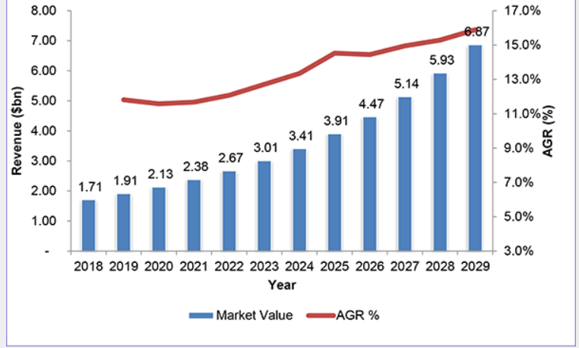
 |  |  |  |  |  |  |  |  |  |  |  |  |  | Mar-25 | 03/19/2025 | 2,161.70 | Mar-25 | 2,161.70
 |  |  |  |  |  |  |  |  | Revenue in billion $ |  |  |  |  | Mar-25 | 03/18/2025 | 2,145.80 | Mar-25 | 2,145.80
 |  |  |  |  |  |  |  | 2018A | 1.71 |  |  |  |  | Mar-25 | 03/17/2025 | 2,170.95 | Mar-25 | 2,170.95
 |  |  |  |  |  |  |  | 2019A | 1.91 |  |  |  |  | Mar-25 | 03/13/2025 | 2,201.15 | Mar-25 | 2,201.15
 |  |  |  |  |  |  |  | 2020A | 2.13 |  |  |  |  | Mar-25 | 2025-12-03 | 2,166.45 | Mar-25 | 2,166.45
 |  |  |  |  |  |  |  | 2021A | 2.38 |  |  |  |  | Mar-25 | 2025-11-03 | 2,210.20 | Mar-25 | 2,210.20
 |  |  |  |  |  |  |  | 2022A | 2.67 |  |  |  |  | Mar-25 | 2025-10-03 | 2,259.30 | Mar-25 | 2,259.30
 |  |  |  |  |  |  |  | 2023A | 3.01 |  |  |  |  | Mar-25 | 2025-07-03 | 2,316.05 | Mar-25 | 2,316.05
 |  |  |  |  |  |  |  | 2024A | 3.41 |  |  |  |  | Mar-25 | 2025-06-03 | 2,274.30 | Mar-25 | 2,274.30
 |  |  |  |  |  |  |  | 2025F | 3.91 |  |  |  |  | Mar-25 | 2025-05-03 | 2,288.15 | Mar-25 | 2,288.15
 |  |  |  |  |  |  |  | 2026F | 4.47 |  |  |  |  | Mar-25 | 2025-04-03 | 2,284.10 | Mar-25 | 2,284.10
 |  |  |  |  |  |  |  | 2027F | 5.14 |  |  |  |  | Mar-25 | 2025-03-03 | 2,328.70 | Mar-25 | 2,328.70
 |  |  |  |  |  |  |  | 2028F | 5.96 |  |  |  |  | Feb-25 | 02/28/2025 | 2,290.60 | Feb-25 | 2,290.60
 |  |  |  |  |  |  |  | 2029F | 6.67 |  |  |  |  | Feb-25 | 02/27/2025 | 2,294.20 | Feb-25 | 2,294.20
Revenue Growth
 |  |  |  |  |  |  |  |  |  |  |  |  |  | Feb-25 | 02/25/2025 | 2,342.10 | Feb-25 | 2,342.10
 |  |  |  |  |  |  |  |  |  |  |  |  |  | Feb-25 | 02/24/2025 | 2,298.80 | Feb-25 | 2,298.80
 |  |  |  |  |  |  |  |  |  |  |  |  |  | Feb-25 | 02/21/2025 | 2,327.75 | Feb-25 | 2,327.75
 |  |  |  |  |  |  |  |  |  |  |  |  |  | Feb-25 | 02/20/2025 | 2,348.45 | Feb-25 | 2,348.45
 |  |  |  |  |  |  |  |  |  |  |  |  |  | Feb-25 | 02/19/2025 | 2,364.55 | Feb-25 | 2,364.55
 |  |  |  |  |  |  |  |  |  |  |  |  |  | Feb-25 | 02/18/2025 | 2,385.00 | Feb-25 | 2,385.00
 |  |  |  |  |  |  |  |  |  |  |  |  |  | Feb-25 | 02/17/2025 | 2,345.90 | Feb-25 | 2,345.90
 |  |  |  |  |  |  |  |  |  |  |  |  |  | Feb-25 | 02/14/2025 | 2,394.35 | Feb-25 | 2,394.35
 |  |  |  |  |  |  |  |  |  |  |  |  |  | Feb-25 | 02/13/2025 | 2,501.15 | Feb-25 | 2,501.15
 |  |  |  |  |  |  |  |  |  |  |  |  |  | Feb-25 | 2025-12-02 | 2,422.60 | Feb-25 | 2,422.60
 |  |  |  |  |  |  |  |  |  |  |  |  |  | Feb-25 | 2025-11-02 | 2,450.30 | Feb-25 | 2,450.30
 |  |  |  |  |  |  |  |  |  |  |  |  |  | Feb-25 | 2025-10-02 | 2,502.05 | Feb-25 | 2,502.05
 |  |  |  |  |  |  |  |  |  |  |  |  |  | Feb-25 | 2025-07-02 | 2,518.60 | Feb-25 | 2,518.60
 |  |  |  |  |  |  |  |  |  |  |  |  |  | Feb-25 | 2025-06-02 | 2,480.10 | Feb-25 | 2,480.10
 |  |  |  |  |  |  |  |  |  |  |  |  |  | Feb-25 | 2025-05-02 | 2,483.00 | Feb-25 | 2,483.00
 |  |  |  |  |  |  |  |  |  |  |  |  |  | Feb-25 | 2025-04-02 | 2,555.10 | Feb-25 | 2,555.10
 |  |  |  |  |  |  |  |  |  |  |  |  |  | Feb-25 | 2025-03-02 | 2,581.80 | Feb-25 | 2,581.80
 |  |  |  |  |  |  |  |  |  |  |  |  |  | Feb-25 | 2025-01-02 | 2,481.60 | Feb-25 | 2,481.60
 |  |  |  |  |  |  |  |  |  |  |  |  |  | Jan-25 | 01/31/2025 | 2,435.40 | Jan-25 | 2,435.40
 |  |  |  |  |  |  |  |  |  |  |  |  |  | Jan-25 | 01/30/2025 | 2,485.40 | Jan-25 | 2,485.40
 |  |  |  |  |  | CAPEX CHART |  |  |  |  |  |  |  | Jan-25 | 01/29/2025 | 2,477.45 | Jan-25 | 2,477.45
 |  |  |  |  |  |  | 2021A | 2022A | 2023A | 2024A | 2025A | 2026F | 2027F | Jan-25 | 01/28/2025 | 2,456.70 | Jan-25 | 2,456.70
 |  |  |  |  |  | Capex | 308 | 2325 | 826 | 382 | 519 | 653 | 717 | Jan-25 | 01/27/2025 | 2,453.95 | Jan-25 | 2,453.95
 |  |  |  |  |  |  |  |  |  |  |  |  |  | Jan-25 | 01/24/2025 | 2,506.90 | Jan-25 | 2,506.90
 |  |  |  |  |  | Sales | 6224 | 7782 | 8749 | 10335 | 12207 | 14404 | 16781 | Jan-25 | 01/23/2025 | 2,635.05 | Jan-25 | 2,635.05
 |  |  |  |  |  | Capex/Sales | 4.9% | 29.9% | 9.4% | 3.7% | 4.3% | 4.5% | 4.3% | Jan-25 | 01/22/2025 | 2,516.40 | Jan-25 | 2,516.40
 |  |  |  |  |  |  |  |  |  |  |  |  |  | Jan-25 | 01/21/2025 | 2,563.55 | Jan-25 | 2,563.55
 |  |  |  |  |  |  |  |  |  |  |  |  |  | Jan-25 | 01/20/2025 | 2,704.70 | Jan-25 | 2,704.70
 |  |  |  |  |  |  |  |  |  |  |  |  |  | Jan-25 | 01/17/2025 | 2,600.40 | Jan-25 | 2,600.40
 |  |  |  |  |  |  |  |  |  |  |  |  |  | Jan-25 | 01/16/2025 | 2,545.25 | Jan-25 | 2,545.25
 |  |  |  |  |  |  |  |  |  |  |  |  |  | Jan-25 | 01/15/2025 | 2,596.00 | Jan-25 | 2,596.00
 |  |  |  |  |  |  |  |  |  |  |  |  |  | Jan-25 | 01/14/2025 | 2,665.85 | Jan-25 | 2,665.85
 |  |  |  |  |  |  |  |  |  |  |  |  |  | Jan-25 | 01/13/2025 | 2,595.95 | Jan-25 | 2,595.95
 |  |  |  |  |  |  |  |  |  |  |  |  |  | Jan-25 | 2025-10-01 | 2,739.95 | Jan-25 | 2,739.95
 |  |  |  |  |  |  |  |  |  |  |  |  |  | Jan-25 | 2025-09-01 | 2,828.05 | Jan-25 | 2,828.05
 |  |  |  |  |  |  |  |  |  |  |  |  |  | Jan-25 | 2025-08-01 | 2,879.55 | Jan-25 | 2,879.55
 |  |  |  |  |  |  |  |  |  |  |  |  |  | Jan-25 | 2025-07-01 | 2,919.70 | Jan-25 | 2,919.70
 |  |  |  |  |  |  |  |  |  |  |  |  |  | Jan-25 | 2025-06-01 | 2,884.55 | Jan-25 | 2,884.55
 |  |  |  |  |  |  |  |  |  |  |  |  |  | Jan-25 | 2025-03-01 | 2,937.55 | Jan-25 | 2,937.55
 |  |  |  |  |  |  |  |  |  |  |  |  |  | Jan-25 | 2025-02-01 | 2,901.90 | Jan-25 | 2,901.90
 |  |  |  |  |  |  |  |  |  |  |  |  |  | Jan-25 | 2025-01-01 | 2,881.05 | Jan-25 | 2,881.05
 |  |  |  |  |  |  |  |  |  |  |  |  |  | Dec-24 | 12/31/2024 | 2,880.40 | Dec-24 | 2,880.40
 |  |  |  |  |  |  |  |  |  |  |  |  |  | Dec-24 | 12/30/2024 | 2,857.40 | Dec-24 | 2,857.40
 |  |  |  |  |  |  |  |  |  |  |  |  |  | Dec-24 | 12/27/2024 | 2,871.75 | Dec-24 | 2,871.75
 |  |  |  |  |  |  |  |  |  |  |  |  |  | Dec-24 | 12/26/2024 | 2,916.65 | Dec-24 | 2,916.65
 |  |  |  |  |  |  |  |  |  |  |  |  |  | Dec-24 | 12/24/2024 | 2,910.60 | Dec-24 | 2,910.60
 |  |  |  |  |  |  |  |  |  |  |  |  |  | Dec-24 | 12/23/2024 | 2,998.40 | Dec-24 | 2,998.40
 |  |  |  |  |  |  |  |  |  |  |  |  |  | Dec-24 | 12/20/2024 | 2,805.20 | Dec-24 | 2,805.20
 |  |  |  |  |  |  |  |  |  |  |  |  |  | Dec-24 | 12/19/2024 | 2,891.05 | Dec-24 | 2,891.05
 |  |  |  |  |  |  |  |  |  |  |  |  |  | Dec-24 | 12/18/2024 | 2,805.95 | Dec-24 | 2,805.95
 |  |  |  |  |  |  |  |  |  |  |  |  |  | Dec-24 | 12/17/2024 | 2,661.80 | Dec-24 | 2,661.80
 |  |  |  |  |  |  |  |  |  |  |  |  |  | Dec-24 | 12/16/2024 | 2,690.75 | Dec-24 | 2,690.75
 |  |  |  |  |  |  |  |  |  |  |  |  |  | Dec-24 | 12/13/2024 | 2,641.85 | Dec-24 | 2,641.85
 |  |  |  |  |  |  |  |  |  |  |  |  |  | Dec-24 | 2024-12-12 | 2,650.45 | Dec-24 | 2,650.45
 |  |  |  |  |  |  |  |  |  |  |  |  |  | Dec-24 | 2024-11-12 | 2,624.35 | Dec-24 | 2,624.35
 |  |  |  |  |  |  |  |  |  |  |  |  |  | Dec-24 | 2024-10-12 | 2,666.40 | Dec-24 | 2,666.40
 |  |  |  |  |  | Manforce | 13.3% |  |  |  |  |  |  | Dec-24 | 2024-09-12 | 2,639.35 | Dec-24 | 2,639.35
 |  | India | 83% |  |  | Telmikind | 11.7% |  |  |  |  |  |  | Dec-24 | 2024-06-12 | 2,586.45 | Dec-24 | 2,586.45
 |  | Others | 17% |  |  | Prega News | 5.7% |  |  |  |  |  |  | Dec-24 | 2024-05-12 | 2,615.50 | Dec-24 | 2,615.50
 |  |  |  |  |  | Unwanted 72 | 6.1% |  |  |  |  |  |  | Dec-24 | 2024-04-12 | 2,596.15 | Dec-24 | 2,596.15
 |  |  |  |  |  | Amlokind | 6.7% |  |  |  |  |  |  | Dec-24 | 2024-03-12 | 2,559.00 | Dec-24 | 2,559.00
 |  |  |  |  |  | Candiforce | 4.9% |  |  |  |  |  |  | Dec-24 | 2024-02-12 | 2,616.45 | Dec-24 | 2,616.45
 |  |  |  |  |  | Moxikind | 9.6% |  |  |  |  |  |  | Nov-24 | 11/29/2024 | 2,561.20 | Nov-24 | 2,561.20
 |  |  |  |  |  | Dydroboon | 5.5% |  |  |  |  |  |  | Nov-24 | 11/28/2024 | 2,560.40 | Nov-24 | 2,560.40
 |  |  |  |  |  | Others | 36.5% |  |  |  |  |  |  | Nov-24 | 11/27/2024 | 2,557.00 | Nov-24 | 2,557.00
 |  |  |  |  |  |  |  |  |  |  |  |  |  | Nov-24 | 11/26/2024 | 2,580.60 | Nov-24 | 2,580.60
 |  |  |  |  |  |  |  |  |  |  |  |  |  | Nov-24 | 11/25/2024 | 2,610.10 | Nov-24 | 2,610.10
 |  |  |  |  |  |  |  |  |  |  |  |  |  | Nov-24 | 11/22/2024 | 2,551.60 | Nov-24 | 2,551.60
 |  |  |  |  |  |  |  |  |  |  |  |  |  | Nov-24 | 11/21/2024 | 2,558.65 | Nov-24 | 2,558.65
 |  |  |  |  |  |  |  |  |  |  |  |  |  | Nov-24 | 11/19/2024 | 2,574.40 | Nov-24 | 2,574.40
Revenue Growth
 | Revenue | YoY Growth %
2021A | 6,224
2022A | 7,782 | 25%
2023A | 8,749 | 12%
2024A | 10,335 | 18%
2025A | 12,207 | 18%
2026A | 14,404 | 18%
2027A | 16,781 | 17%
2028A | 19,298 | 15%
2029A | 21,903 | 14%
2030A | 24,532 | 12%
 |  |  |  |  |  |  |  |  |  |  |  |  |  | Nov-24 | 11/18/2024 | 2,597.90 | Nov-24 | 2,597.90
 |  |  |  |  |  |  |  |  |  |  |  |  |  | Nov-24 | 11/14/2024 | 2,597.65 | Nov-24 | 2,597.65
 |  |  |  |  |  |  |  |  |  |  |  |  |  | Nov-24 | 11/13/2024 | 2,532.15 | Nov-24 | 2,532.15
 |  |  |  |  |  |  |  |  |  |  |  |  |  | Nov-24 | 2024-12-11 | 2,622.10 | Nov-24 | 2,622.10
 |  |  |  |  |  |  |  |  |  |  |  |  |  | Nov-24 | 2024-11-11 | 2,646.65 | Nov-24 | 2,646.65
 |  |  |  |  |  |  |  |  |  |  |  |  |  | Nov-24 | 2024-08-11 | 2,659.50 | Nov-24 | 2,659.50
 |  | 2021A | 2022A | 2023A | 2024A | 2025A | 2026P | 2027P | 2028P | 2029P | 2030P |  |  | Nov-24 | 2024-07-11 | 2,727.00 | Nov-24 | 2,727.00
 | Revenue | 6,224 | 7,782 | 8,749 | 10,335 | 12,207 | 14,404 | 16,781 | 19,298 | 21,903 | 24,532 |  |  | Nov-24 | 2024-06-11 | 2,748.85 | Nov-24 | 2,748.85
 | YoY Growth % |  | 25% | 12% | 18% | 18% | 18% | 17% | 15% | 14% | 12% |  |  | Nov-24 | 2024-05-11 | 2,714.25 | Nov-24 | 2,714.25
 |  |  |  |  |  |  |  |  |  |  |  |  |  | Nov-24 | 2024-04-11 | 2,731.20 | Nov-24 | 2,731.20
 |  |  |  |  |  |  |  |  |  |  |  |  |  | Nov-24 | 2024-01-11 | 2,680.70 | Nov-24 | 2,680.70
Gross Margin
 |  |  |  |  |  |  |  |  |  |  |  |  |  | Oct-24 | 10/31/2024 | 2,667.35 | Oct-24 | 2,667.35
 |  |  | 2021A | 2022A | 2023A | 2024A | 2025A | 2026F | 2027F | 2028F | 2029F | 2030F |  | Oct-24 | 10/30/2024 | 2,627.80 | Oct-24 | 2,627.80
 |  | Gross Margin | 71.4% | 68.9% | 66.7% | 68.9% | 68.4% | 66.0% | 66.6% | 67.2% | 67.8% | 68.4% |  | Oct-24 | 10/29/2024 | 2,528.70 | Oct-24 | 2,528.70
 |  |  |  |  |  |  |  |  |  |  |  |  |  | Oct-24 | 10/28/2024 | 2,426.80 | Oct-24 | 2,426.80
 |  |  |  |  |  |  |  |  |  |  |  |  |  | Oct-24 | 10/25/2024 | 2,455.90 | Oct-24 | 2,455.90
 |  | 2021A | 2022A | 2023A | 2024A | 2025A | 2026F | 2027F | 2028F | 2029F | 2030F |  |  | Oct-24 | 10/24/2024 | 2,504.25 | Oct-24 | 2,504.25
 | SG&A | 2786 | 3370 | 3935 | 4590 | 5700 | 6410 | 7468 | 8588 | 9747 | 10917 |  |  | Oct-24 | 10/23/2024 | 2,529.60 | Oct-24 | 2,529.60
 | SG&A%Revenue | 44.8% | 43.3% | 45.0% | 44.4% | 46.7% | 44.5% | 44.5% | 44.5% | 44.5% | 44.5% |  |  | Oct-24 | 10/22/2024 | 2,565.95 | Oct-24 | 2,565.95
SG&A Expense
 |  |  |  |  |  |  |  |  |  |  |  |  |  | Oct-24 | 10/21/2024 | 2,647.00 | Oct-24 | 2,647.00
Inventory Days
 |  |  |  |  |  |  |  |  |  |  |  |  |  | Oct-24 | 10/18/2024 | 2,647.20 | Oct-24 | 2,647.20
 |  |  |  |  |  |  |  |  |  |  |  |  |  | Oct-24 | 10/17/2024 | 2,683.85 | Oct-24 | 2,683.85
 |  |  |  |  |  |  |  |  |  |  |  |  |  | Oct-24 | 10/16/2024 | 2,711.40 | Oct-24 | 2,711.40
 |  |  |  |  |  |  |  |  |  |  |  |  |  | Oct-24 | 10/15/2024 | 2,747.30 | Oct-24 | 2,747.30
 |  |  |  |  |  |  |  |  |  |  |  |  |  | Oct-24 | 10/14/2024 | 2,759.60 | Oct-24 | 2,759.60
 |  |  |  |  |  |  |  |  |  |  |  |  |  | Oct-24 | 2024-11-10 | 2,792.55 | Oct-24 | 2,792.55
 |  |  |  |  |  |  |  |  |  |  |  |  |  | Oct-24 | 2024-10-10 | 2,684.00 | Oct-24 | 2,684.00
 |  |  |  |  |  |  |  |  |  |  |  |  |  | Oct-24 | 2024-09-10 | 2,686.80 | Oct-24 | 2,686.80
 |  |  |  |  |  |  |  |  |  |  |  |  |  | Oct-24 | 2024-08-10 | 2,603.55 | Oct-24 | 2,603.55
 |  |  |  |  |  |  |  |  |  |  |  |  |  | Oct-24 | 2024-07-10 | 2,561.70 | Oct-24 | 2,561.70
 |  |  |  |  |  |  |  |  |  |  |  |  |  | Oct-24 | 2024-04-10 | 2,611.65 | Oct-24 | 2,611.65
 |  |  |  |  |  |  |  |  |  |  |  |  |  | Oct-24 | 2024-03-10 | 2,537.80 | Oct-24 | 2,537.80
 |  |  |  |  |  |  |  |  |  |  |  |  |  | Oct-24 | 2024-01-10 | 2,578.95 | Oct-24 | 2,578.95
 |  |  |  |  |  |  |  |  |  |  |  |  |  | Sep-24 | 09/30/2024 | 2,520.70 | Sep-24 | 2,520.70
 |  |  |  |  |  |  |  |  |  |  |  |  |  | Sep-24 | 09/27/2024 | 2,592.00 | Sep-24 | 2,592.00
 |  | 2019A | 2020A | 2021A | 2022A | 2023A | 2024A | 2025A |  |  |  |  |  | Sep-24 | 09/26/2024 | 2,685.15 | Sep-24 | 2,685.15
 | Inventory | 821 | 899 | 1184 | 1760 | 1498 | 1553 | 2093 |  |  |  |  |  | Sep-24 | 09/25/2024 | 2,701.30 | Sep-24 | 2,701.30
 | Inventory Days | 59 | 53 | 61 | 69 | 68 | 54 | 55 |  |  |  |  |  | Sep-24 | 09/24/2024 | 2,734.30 | Sep-24 | 2,734.30
 |  |  |  |  |  |  |  |  |  |  |  |  |  | Sep-24 | 09/23/2024 | 2,650.25 | Sep-24 | 2,650.25
 |  |  |  |  |  |  |  |  |  |  |  |  |  | Sep-24 | 09/20/2024 | 2,535.75 | Sep-24 | 2,535.75
 |  |  |  |  |  |  |  |  |  |  |  |  |  | Sep-24 | 09/19/2024 | 2,426.05 | Sep-24 | 2,426.05
Trade Receivable
 |  |  |  |  |  |  |  |  |  |  |  |  |  | Sep-24 | 09/18/2024 | 2,395.60 | Sep-24 | 2,395.60
 |  |  |  |  |  |  |  |  |  |  |  |  |  | Sep-24 | 09/17/2024 | 2,455.45 | Sep-24 | 2,455.45
 |  |  |  |  |  |  |  |  |  |  |  |  |  | Sep-24 | 09/16/2024 | 2,456.25 | Sep-24 | 2,456.25
 |  |  |  |  |  |  |  |  |  |  |  |  |  | Sep-24 | 09/13/2024 | 2,498.80 | Sep-24 | 2,498.80
 |  | 2021A | 2022A | 2023A | 2024A | 2025A | 2026F | 2027F | 2028F | 2029F | 2030F |  |  | Sep-24 | 2024-12-09 | 2,431.40 | Sep-24 | 2,431.40
 | Trade Receivable | 331 | 388 | 576 | 848 | 1538 | 940 | 1095 | 1260 | 1430 | 1601 |  |  | Sep-24 | 2024-11-09 | 2,432.75 | Sep-24 | 2,432.75
 | Receivable Days | 19 | 18 | 24 | 30 | 46 | 24 | 24 | 25 | 25 | 25 |  |  | Sep-24 | 2024-10-09 | 2,448.15 | Sep-24 | 2,448.15
 |  |  |  |  |  |  |  |  |  |  |  |  |  | Sep-24 | 2024-09-09 | 2,411.95 | Sep-24 | 2,411.95
 |  |  |  |  |  |  |  |  |  |  |  |  |  | Sep-24 | 2024-06-09 | 2,423.35 | Sep-24 | 2,423.35
 |  |  |  |  |  |  |  |  |  |  |  |  |  | Sep-24 | 2024-05-09 | 2,473.15 | Sep-24 | 2,473.15
 |  |  |  |  |  |  |  |  |  |  |  |  |  | Sep-24 | 2024-04-09 | 2,413.70 | Sep-24 | 2,413.70
 |  |  |  |  |  |  |  |  |  |  |  |  |  | Sep-24 | 2024-03-09 | 2,391.10 | Sep-24 | 2,391.10
Trade Payables
 |  |  |  |  |  |  |  |  |  |  |  |  |  | Sep-24 | 2024-02-09 | 2,391.15 | Sep-24 | 2,391.15
 |  |  |  |  |  |  |  |  |  |  |  |  |  | Aug-24 | 08/30/2024 | 2,487.75 | Aug-24 | 2,487.75
 |  | 2021A | 2022A | 2023A | 2024A | 2025A | 2026F | 2027F | 2028F | 2029F | 2030F |  |  | Aug-24 | 08/29/2024 | 2,425.95 | Aug-24 | 2,425.95
 | Trade Payables | 667 | 1076 | 1008 | 1103 | 1133 | 1610 | 1843 | 2081 | 2319 | 2549 |  |  | Aug-24 | 08/28/2024 | 2,428.55 | Aug-24 | 2,428.55
 | Payable Days | 0 | 131 | 131 | 120 | 106 | 120 | 120 | 120 | 120 | 120 |  |  | Aug-24 | 08/27/2024 | 2,427.10 | Aug-24 | 2,427.10
 |  |  |  |  |  |  |  |  |  |  |  |  |  | Aug-24 | 08/26/2024 | 2,352.95 | Aug-24 | 2,352.95
 |  |  |  |  |  |  |  |  |  |  |  |  |  | Aug-24 | 08/23/2024 | 2,362.45 | Aug-24 | 2,362.45
 |  |  |  |  |  |  |  |  |  |  |  |  |  | Aug-24 | 08/22/2024 | 2,319.60 | Aug-24 | 2,319.60

Long Term and Short Term Borrowings
 | 2019 | 2020 | 2021 | 2022 | 2023 | 2024 | 2025
LTB | 25.1119 | 58.1927 | 57.4199 | 49.194 | 23.1865 | 24.8677 | 5526.19
STB | 241.4641 | 44.2802 | 158.6039 | 818.8332 | 139.4899 | 171.1681 | 2956.84
TB | 266.576 | 102.4729 | 216.0238 | 868.0272 | 162.6764 | 196.0358 | 8483.03
 | 2019 | 2020 | 2021 | 2022 | 2023 | 2024 | 2025
LTB%TB | 9% | 57% | 27% | 6% | 14% | 13% | 65%
STB%TB | 91% | 43% | 73% | 94% | 86% | 87% | 35%

According to the DCF Valuation, the share is trading at a premium of INR 1,113 (44%) under the perpetuity growth method and INR 1,377 (54%) under the exit multiple method.
Similarly, under Relative Valuation, the share is trading at a premium of INR 1,616 (64%) using both the EV/Sales and EV/EBITDA methods.
Overall, across all valuation approaches, the intrinsic value is significantly below the market price of ₹2,530, suggesting that the stock is currently overvalued.

 | Valuation Summary | Enterprise Value | Equity Value available for shareholders | Value per share | Market Price | Discount/Premium | Discount/Premium%
 | Discounted Cash Flow - Perpetuity Growth | 53,061 | - | - | 2,530 | 2,530 | 100%
 | Discounted Cash Flow - Exit Mutiple | 67,958 | #VALUE! | #VALUE! | 2,530 | #VALUE! | #VALUE!
 | Relative Valuation - EV/Sales | 45,743 | 37,748 | 914 | 2,530 | 1,616 | 64%
 | Relative Valuation - EV/EBITDA | 45,743 | 37,748 | 914 | 2,530 | 1,616 | 64%

 | Non Current Assets
 | Property , Plants & Equipments |  | ₹ 1,620 | ₹ 1,652 | ₹ 2,409 | ₹ 2,813 | ₹ 2,741 | ₹ 3,217 | ₹ 3,712 | ₹ 4,364 | ₹ 4,987 | ₹ 5,559
 | Right of Use Assets |  | - | ₹ 67 | ₹ 114 | ₹ 119 | ₹ 167 | ₹ 159 | ₹ 151 | ₹ 142 | ₹ 134 | ₹ 126
 | Capital Work in Progress |  | ₹ 372 | ₹ 670 | ₹ 493 | ₹ 207 | ₹ 306 | - | - | - | - | -
 | Goodwill |  | ₹ 20 | ₹ 20 | ₹ 20 | ₹ 20 | ₹ 6,492 | ₹ 6,492 | ₹ 6,492 | ₹ 6,492 | ₹ 6,492 | ₹ 6,492
 | Other Intangible Asset |  | ₹ 18 | ₹ 1,843 | ₹ 1,701 | ₹ 1,588 | ₹ 9,605 | ₹ 9,128 | ₹ 8,651 | ₹ 8,175 | ₹ 7,698 | ₹ 7,221
 | Non Current Financial Assets |  | ₹ 68 | ₹ 96 | ₹ 205 | ₹ 155 | ₹ 361 | ₹ 361 | ₹ 361 | ₹ 361 | ₹ 361 | ₹ 361
 | Other Non Current Assets |  | ₹ 97 | ₹ 74 | ₹ 73 | ₹ 66 | ₹ 92 | ₹ 92 | ₹ 92 | ₹ 92 | ₹ 92 | ₹ 92
 | Deffered Tax Assets |  | ₹ 49 | ₹ 39 | ₹ 30 | ₹ 80 | ₹ 108 | ₹ 108 | ₹ 108 | ₹ 108 | ₹ 108 | ₹ 108
 | Income Tax Assets |  | ₹ 56 | ₹ 80 | ₹ 103 | ₹ 82 | ₹ 189 | ₹ 189 | ₹ 189 | ₹ 189 | ₹ 189 | ₹ 189
 | Intangible Assets Under Development |  | ₹ 0 | ₹ 32 | ₹ 57 | ₹ 75 | ₹ 520 | ₹ 520 | ₹ 520 | ₹ 520 | ₹ 520 | ₹ 520
 | Investments in associates |  | ₹ 166 | ₹ 168 | ₹ 181 | ₹ 189 | ₹ 191 | ₹ 191 | ₹ 191 | ₹ 191 | ₹ 191 | ₹ 191
 | Total Non Current Assets |  | ₹ 2,466 | ₹ 4,741 | ₹ 5,388 | ₹ 5,395 | ₹ 20,771 | ₹ 20,456 | ₹ 20,467 | ₹ 20,633 | ₹ 20,772 | ₹ 20,859

 | Current Assets
 | Cash |  | ₹ 167 | ₹ 303 | ₹ 305 | ₹ 382 | ₹ 407 | ₹ 1,161 | ₹ 3,014 | ₹ 5,297 | ₹ 8,250 | ₹ 11,410
 | Bank balance |  | ₹ 534 | ₹ 103 | ₹ 148 | ₹ 816 | ₹ 147 | ₹ 147 | ₹ 147 | ₹ 147 | ₹ 147 | ₹ 147
 | Inventory |  | ₹ 1,184 | ₹ 1,760 | ₹ 1,498 | ₹ 1,553 | ₹ 2,094 | ₹ 2,312 | ₹ 2,693 | ₹ 2,908 | ₹ 3,301 | ₹ 3,697
 | Receivable |  | ₹ 331 | ₹ 388 | ₹ 576 | ₹ 848 | ₹ 1,538 | ₹ 940 | ₹ 1,095 | ₹ 1,322 | ₹ 1,500 | ₹ 1,680
 | Investments |  | ₹ 1,306 | ₹ 874 | ₹ 1,075 | ₹ 2,258 | ₹ 1,691 | ₹ 1,995 | ₹ 2,324 | ₹ 2,673 | ₹ 3,034 | ₹ 3,398
 | Other Current Assets |  | ₹ 386 | ₹ 978 | ₹ 724 | ₹ 710 | ₹ 1,111 | ₹ 994 | ₹ 1,158 | ₹ 1,332 | ₹ 1,511 | ₹ 1,693
 | Total Current Assets |  | ₹ 3,907 | ₹ 4,407 | ₹ 4,328 | ₹ 6,568 | ₹ 6,988 | ₹ 7,549 | ₹ 10,432 | ₹ 13,679 | ₹ 17,743 | ₹ 22,024

 | Total Assets |  | ₹ 6,373 | ₹ 9,148 | ₹ 9,715 | ₹ 11,963 | ₹ 27,760 | ₹ 28,005 | ₹ 30,898 | ₹ 34,312 | ₹ 38,515 | ₹ 42,883

 | Equity
 | Share Capital |  | ₹ 40 | ₹ 40 | ₹ 40 | ₹ 40 | ₹ 41 | ₹ 41 | ₹ 41 | ₹ 41 | ₹ 41 | ₹ 41
 | Other Equity |  | ₹ 4,682 | ₹ 6,115 | ₹ 7,396 | ₹ 9,323 | ₹ 14,291 | ₹ 16,020 | ₹ 18,272 | ₹ 21,017 | ₹ 24,286 | ₹ 28,110
 | Total Shareholder's Equity |  | ₹ 4,722 | ₹ 6,155 | ₹ 7,436 | ₹ 9,363 | ₹ 14,332 | ₹ 16,062 | ₹ 18,313 | ₹ 21,058 | ₹ 24,327 | ₹ 28,151
 | Non Controlling Interest |  | ₹ 141 | ₹ 161 | ₹ 188 | ₹ 213 | ₹ 236 | ₹ 236 | ₹ 236 | ₹ 236 | ₹ 236 | ₹ 236
 | Total Equity |  | ₹ 4,863 | ₹ 6,316 | ₹ 7,624 | ₹ 9,576 | ₹ 14,568 | ₹ 16,298 | ₹ 18,549 | ₹ 21,294 | ₹ 24,563 | ₹ 28,387

 | Non-Current Liabilities
 | Long Term Borrowing |  | ₹ 57 | ₹ 49 | ₹ 23 | ₹ 25 | ₹ 5,526 | ₹ 5,802 | ₹ 6,093 | ₹ 6,397 | ₹ 6,525 | ₹ 6,656
 | Lease Liabilities |  | ₹ 6 | ₹ 3 | ₹ 5 | ₹ 8 | ₹ 14 | ₹ 14 | ₹ 14 | ₹ 14 | ₹ 14 | ₹ 14
 | Provisions |  | ₹ 72 | ₹ 80 | ₹ 98 | ₹ 123 | ₹ 155 | ₹ 155 | ₹ 155 | ₹ 155 | ₹ 155 | ₹ 155
 | Deferred tax liabilities (net) |  | ₹ 13 | ₹ 56 | ₹ 77 | ₹ 89 | ₹ 1,813 | ₹ 1,813 | ₹ 1,813 | ₹ 1,813 | ₹ 1,813 | ₹ 1,813
 | Other non-current liabilities |  | ₹ 8 | ₹ 20 | ₹ 25 | ₹ 23 | ₹ 20 | ₹ 20 | ₹ 20 | ₹ 20 | ₹ 20 | ₹ 20
 | Total non-current liabilities |  | ₹ 156 | ₹ 208 | ₹ 229 | ₹ 268 | ₹ 7,528 | ₹ 7,804 | ₹ 8,094 | ₹ 8,399 | ₹ 8,527 | ₹ 8,657

 | Current Liabilities
 | Trade Payables |  | ₹ 667 | ₹ 1,076 | ₹ 1,008 | ₹ 1,103 | ₹ 1,133 | ₹ 1,610 | ₹ 1,843 | ₹ 2,081 | ₹ 2,319 | ₹ 2,549
 | Short Term Borrowing |  | ₹ 159 | ₹ 819 | ₹ 139 | ₹ 171 | ₹ 2,957 | ₹ 720 | ₹ 839 | ₹ 965 | ₹ 1,533 | ₹ 1,717
 | Lease Liabilities |  | - | ₹ 2 | ₹ 3 | ₹ 3 | ₹ 14 | ₹ 14 | ₹ 14 | ₹ 14 | ₹ 14 | ₹ 14
 | Other financial liabilities |  | ₹ 184 | ₹ 221 | ₹ 236 | ₹ 236 | ₹ 674 | ₹ 674 | ₹ 674 | ₹ 674 | ₹ 674 | ₹ 674
 | Provisions |  | ₹ 234 | ₹ 265 | ₹ 308 | ₹ 389 | ₹ 664 | ₹ 664 | ₹ 664 | ₹ 664 | ₹ 664 | ₹ 664
 | Current tax liabilities (net) |  | ₹ 11 | ₹ 15 | ₹ 46 | ₹ 46 | ₹ 18 | ₹ 18 | ₹ 18 | ₹ 18 | ₹ 18 | ₹ 18
 | Other current liabilities |  | ₹ 99 | ₹ 225 | ₹ 123 | ₹ 171 | ₹ 203 | ₹ 203 | ₹ 203 | ₹ 203 | ₹ 203 | ₹ 203
 | Total Current liabilities |  | ₹ 1,354 | ₹ 2,624 | ₹ 1,863 | ₹ 2,120 | ₹ 5,664 | ₹ 3,904 | ₹ 4,255 | ₹ 4,619 | ₹ 5,425 | ₹ 5,839

 | Total Equity & Liabilities |  | ₹ 6,373 | ₹ 9,148 | ₹ 9,715 | ₹ 11,963 | ₹ 27,760 | ₹ 28,005 | ₹ 30,898 | ₹ 34,312 | ₹ 38,515 | ₹ 42,883

# | Income Statement
 | Revenue |  | 100.0% | 100.0% | 100.0% | 100.0% | 100.0% | 100.0% | 100.0% | 100.0% | 100.0% | 100.0%
 | Less: Cost of Goods Sold |  | 28.6% | 31.1% | 33.3% | 31.1% | 31.6% | 34.0% | 33.4% | 32.8% | 32.2% | 31.6%
 | Gross Profit |  | 71.4% | 68.9% | 66.7% | 68.9% | 68.4% | 66.0% | 66.6% | 67.2% | 67.8% | 68.4%

 | Gross Margin |  | 71.4% | 68.9% | 66.7% | 68.9% | 68.4% | 66.0% | 66.6% | 67.2% | 67.8% | 68.4%

 | Less: SG&A Expenses (Excluding Depreciation & Interest) |  | 44.8% | 43.3% | 45.0% | 44.4% | 46.7% | 44.5% | 44.5% | 44.5% | 44.5% | 44.5%
 | EBITDA |  | 26.6% | 25.6% | 21.7% | 24.5% | 21.7% | 21.5% | 22.1% | 22.7% | 23.3% | 23.9%

 | EBITDA Margin |  | 26.6% | 25.6% | 21.7% | 24.5% | 21.7% | 21.5% | 22.1% | 22.7% | 23.3% | 23.9%

 | Less: Depreciation |  | 1.9% | 2.1% | 3.7% | 3.9% | 5.1% | 4.6% | 4.2% | 4.0% | 3.8% | 3.6%
 | EBIT |  | 24.7% | 23.4% | 18.0% | 20.7% | 16.6% | 16.9% | 17.9% | 18.7% | 19.5% | 20.3%

 | EBIT Margin |  | 24.7% | 23.4% | 18.0% | 20.7% | 16.6% | 16.9% | 17.9% | 18.7% | 19.5% | 20.3%

 | Less: Interest |  | -0.3% | -0.8% | -0.5% | -0.3% | -3.5% | -3.9% | -3.0% | -2.8% | -2.6% | -2.5%
 | Add: Other Income |  | 2.6% | 2.5% | 1.5% | 2.7% | 4.4% | 3.0% | 3.0% | 3.0% | 3.0% | 3.0%
 | Less: Share of net profit of associates and joint ventures |  | -0.2% | -0.2% | -0.1% | -0.1% | -0.1% | 0.0% | 0.0% | 0.0% | 0.0% | 0.0%
 | EBT |  | 26.8% | 25.0% | 18.8% | 22.9% | 17.4% | 16.0% | 17.9% | 19.0% | 19.9% | 20.8%

 | Less: Taxes |  | -6.4% | -6.7% | -4.1% | -4.4% | -4.2% | -4.0% | -4.5% | -4.7% | -5.0% | -5.2%
 | Net Income |  | 20.4% | 18.3% | 14.7% | 18.5% | 13.2% | 12.0% | 13.4% | 14.2% | 14.9% | 15.6%

# | Non Current Assets
 | Property , Plants & Equipments |  | 25.4% | 18.1% | 24.8% | 23.5% | 9.9% | 11.5% | 12.0% | 12.7% | 12.9% | 13.0%
 | Right of Use Assets |  | 0.0% | 0.7% | 1.2% | 1.0% | 0.6% | 0.6% | 0.5% | 0.4% | 0.3% | 0.3%
 | Capital Work in Progress |  | 5.8% | 7.3% | 5.1% | 1.7% | 1.1% | 0.0% | 0.0% | 0.0% | 0.0% | 0.0%
 | Goodwill |  | 0.3% | 0.2% | 0.2% | 0.2% | 23.4% | 23.2% | 21.0% | 18.9% | 16.9% | 15.1%
 | Other Intangible Asset |  | 0.3% | 20.1% | 17.5% | 13.3% | 34.6% | 32.6% | 28.0% | 23.8% | 20.0% | 16.8%
 | Non Current Financial Assets |  | 1.1% | 1.0% | 2.1% | 1.3% | 1.3% | 1.3% | 1.2% | 1.1% | 0.9% | 0.8%
 | Other Non Current Assets |  | 1.5% | 0.8% | 0.8% | 0.6% | 0.3% | 0.3% | 0.3% | 0.3% | 0.2% | 0.2%
 | Deffered Tax Assets |  | 0.8% | 0.4% | 0.3% | 0.7% | 0.4% | 0.4% | 0.3% | 0.3% | 0.3% | 0.3%
 | Income Tax Assets |  | 0.9% | 0.9% | 1.1% | 0.7% | 0.7% | 0.7% | 0.6% | 0.6% | 0.5% | 0.4%
 | Intangible Assets Under Development |  | 0.0% | 0.3% | 0.6% | 0.6% | 1.9% | 1.9% | 1.7% | 1.5% | 1.3% | 1.2%
 | Investments in associates |  | 2.6% | 1.8% | 1.9% | 1.6% | 0.7% | 0.7% | 0.6% | 0.6% | 0.5% | 0.4%
 | Total Non Current Assets |  | 38.7% | 51.8% | 55.5% | 45.1% | 74.8% | 73.0% | 66.2% | 60.1% | 53.9% | 48.6%

 | Current Assets
 | Cash |  | 2.6% | 3.3% | 3.1% | 3.2% | 1.5% | 4.1% | 9.8% | 15.4% | 21.4% | 26.6%
 | Bank balance |  | 8.4% | 1.1% | 1.5% | 6.8% | 0.5% | 0.5% | 0.5% | 0.4% | 0.4% | 0.3%
 | Inventory |  | 18.6% | 19.2% | 15.4% | 13.0% | 7.5% | 8.3% | 8.7% | 8.5% | 8.6% | 8.6%
 | Receivable |  | 5.2% | 4.2% | 5.9% | 7.1% | 5.5% | 3.4% | 3.5% | 3.9% | 3.9% | 3.9%
 | Investments |  | 20.5% | 9.6% | 11.1% | 18.9% | 6.1% | 7.1% | 7.5% | 7.8% | 7.9% | 7.9%
 | Other Current Assets |  | 6.1% | 10.7% | 7.5% | 5.9% | 4.0% | 3.5% | 3.7% | 3.9% | 3.9% | 3.9%
 | Total Current Assets |  | 61.3% | 48.2% | 44.5% | 54.9% | 25.2% | 27.0% | 33.8% | 39.9% | 46.1% | 51.4%

 | Total Assets |  | 100.0% | 100.0% | 100.0% | 100.0% | 100.0% | 100.0% | 100.0% | 100.0% | 100.0% | 100.0%

 | Equity
 | Share Capital |  | 0.6% | 0.4% | 0.4% | 0.3% | 0.1% | 0.1% | 0.1% | 0.1% | 0.1% | 0.1%
 | Other Equity |  | 73.5% | 66.8% | 76.1% | 77.9% | 51.5% | 57.2% | 59.1% | 61.3% | 63.1% | 65.5%
 | Total Shareholder's Equity |  | 74.1% | 67.3% | 76.5% | 78.3% | 51.6% | 57.4% | 59.3% | 61.4% | 63.2% | 65.6%
 | Non Controlling Interest |  | 2.2% | 1.8% | 1.9% | 1.8% | 0.8% | 0.8% | 0.8% | 0.7% | 0.6% | 0.5%
 | Total Equity |  | 76.3% | 69.0% | 78.5% | 80.0% | 52.5% | 58.2% | 60.0% | 62.1% | 63.8% | 66.2%

 | Non-Current Liabilities
 | Long Term Borrowing |  | 0.9% | 0.5% | 0.2% | 0.2% | 19.9% | 20.7% | 19.7% | 18.6% | 16.9% | 15.5%
 | Lease Liabilities |  | 0.1% | 0.0% | 0.1% | 0.1% | 0.1% | 0.1% | 0.0% | 0.0% | 0.0% | 0.0%
 | Provisions |  | 1.1% | 0.9% | 1.0% | 1.0% | 0.6% | 0.6% | 0.5% | 0.5% | 0.4% | 0.4%
 | Deferred tax liabilities (net) |  | 0.2% | 0.6% | 0.8% | 0.7% | 6.5% | 6.5% | 5.9% | 5.3% | 4.7% | 4.2%
 | Other non-current liabilities |  | 0.1% | 0.2% | 0.3% | 0.2% | 0.1% | 0.1% | 0.1% | 0.1% | 0.1% | 0.0%
 | Total non-current liabilities |  | 2.4% | 2.3% | 2.4% | 2.2% | 27.1% | 27.9% | 26.2% | 24.5% | 22.1% | 20.2%

 | Current Liabilities
 | Trade Payables |  | 10.5% | 11.8% | 10.4% | 9.2% | 4.1% | 5.7% | 6.0% | 6.1% | 6.0% | 5.9%
 | Short Term Borrowing |  | 2.5% | 9.0% | 1.4% | 1.4% | 10.7% | 2.6% | 2.7% | 2.8% | 4.0% | 4.0%
 | Lease Liabilities |  | 0.0% | 0.0% | 0.0% | 0.0% | 0.1% | 0.1% | 0.0% | 0.0% | 0.0% | 0.0%
 | Other financial liabilities |  | 2.9% | 2.4% | 2.4% | 2.0% | 2.4% | 2.4% | 2.2% | 2.0% | 1.8% | 1.6%
 | Provisions |  | 3.7% | 2.9% | 3.2% | 3.3% | 2.4% | 2.4% | 2.1% | 1.9% | 1.7% | 1.5%
 | Current tax liabilities (net) |  | 0.2% | 0.2% | 0.5% | 0.4% | 0.1% | 0.1% | 0.1% | 0.1% | 0.0% | 0.0%
 | Other current liabilities |  | 1.6% | 2.5% | 1.3% | 1.4% | 0.7% | 0.7% | 0.7% | 0.6% | 0.5% | 0.5%
 | Total Current liabilities |  | 21.2% | 28.7% | 19.2% | 17.7% | 20.4% | 13.9% | 13.8% | 13.5% | 14.1% | 13.6%

 | Total Equity & Liabilities |  | 100.0% | 100.0% | 100.0% | 100.0% | 100.0% | 100.0% | 100.0% | 100.0% | 100.0% | 100.0%

 | Efficiency Ratio
 | Revenue |  | ₹ 6,224 | ₹ 7,782 | ₹ 8,749 | ₹ 10,335 | ₹ 12,207 | ₹ 14,404 | ₹ 16,781 | ₹ 19,298 | ₹ 21,903 | ₹ 24,532
 | Total Assets |  | ₹ 6,373 | ₹ 9,148 | ₹ 9,715 | ₹ 11,963 | ₹ 27,760 | ₹ 28,005 | ₹ 30,898 | ₹ 34,312 | ₹ 38,515 | ₹ 42,883
 | Asset Turnover Ratio |  | 97.7% | 85.1% | 90.1% | 86.4% | 44.0% | 51.4% | 54.3% | 56.2% | 56.9% | 57.2%

 | COGS |  | ₹ 1,781 | ₹ 2,422 | ₹ 2,914 | ₹ 3,210 | ₹ 3,855 | ₹ 4,897 | ₹ 5,605 | ₹ 6,330 | ₹ 7,053 | ₹ 7,752
 | Inventory |  | ₹ 1,184 | ₹ 1,760 | ₹ 1,498 | ₹ 1,553 | ₹ 2,094 | ₹ 2,312 | ₹ 2,693 | ₹ 2,908 | ₹ 3,301 | ₹ 3,697
 | Inventory Turnover Ratio |  | 1.5x | 1.4x | 1.9x | 2.1x | 1.8x | 2.1x | 2.1x | 2.2x | 2.1x | 2.1x

 | Coverage Ratio
 | EBIT |  |  | ₹ 1,823 | ₹ 1,575 | ₹ 2,137 | ₹ 2,031 | ₹ 2,435 | ₹ 3,002 | ₹ 3,616 | ₹ 4,278 | ₹ 4,977
 | Interest |  |  | ₹ 59 | ₹ 44 | ₹ 34 | ₹ 429 | ₹ 561 | ₹ 503 | ₹ 535 | ₹ 577 | ₹ 615
 | Debt Repayment |  |  | (₹ 652) | ₹ 705 | (₹ 33) | (₹ 8,287) | ₹ 1,960 | (₹ 409) | (₹ 430) | (₹ 696) | (₹ 314)
 | Debt Service Coverage Ratio |  |  | -3.1x | 2.1x | 12409.1x | -0.3x | 1.0x | 31.8x | 34.7x | -35.9x | 16.6x

 | EBIT |  | ₹ 1,539 | ₹ 1,823 | ₹ 1,575 | ₹ 2,137 | ₹ 2,031 | ₹ 2,435 | ₹ 3,002 | ₹ 3,616 | ₹ 4,278 | ₹ 4,977
 | Interest Expense |  | ₹ 4 | ₹ 11 | ₹ 4 | ₹ 8 | ₹ 25 | ₹ 561 | ₹ 503 | ₹ 535 | ₹ 577 | ₹ 615
 | Interest Coverage Ratio |  | 415.7x | 169.7x | 372.6x | 262.0x | 80.0x | 4.3x | 6.0x | 6.8x | 7.4x | 8.1x

Assumptions Working
# | Revenue Growth

 | Company Historical Growth
 |  |  |  |  |  |  |  |  |  | CAGR
 | Particulars | 2019 | 2020 | 2021 | 2022 | 2023 | 2024 | 2025 |  | 3 Years | 5 Years | 7 Years
 | Revenue from Operations (Net) | 4,980 | 5,872 | 6,224 | 7,782 | 8,749 | 10,335 | 12,207 |  | 16.2% | 15.8%
 | Sales Growth | 14% | 18% | 6% | 25% | 12% | 18% | 18%

 | Pharmaceutical Market (Indian) Growth

 | Statista |  | https://www.statista.com/outlook/hmo/pharmaceuticals/india

 | 2025 Revenue | $13.48bn
 | CAGR 2025-2030 | 5.31%
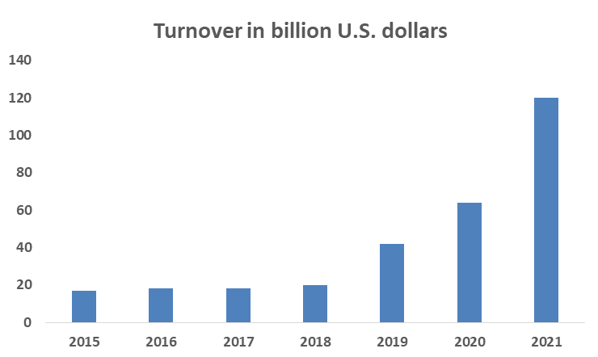
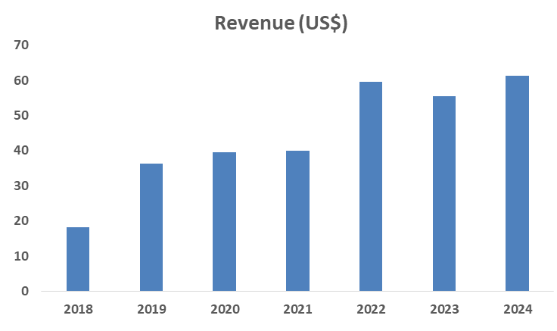

 | CII |  | https://ciiblog.in/%E2%81%A0%E2%81%A0-steady-growth-sound-fundamentals-india-pharma-manufacturing-landscape/#:~:text=India's%20pharmaceutical%20market%20recorded%20a,GMP%20and%20EU%2DGMP%20regulators.
 | India’s pharmaceutical market recorded a turnover of INR 4.17 lakh crore in FY24, growing at a CAGR of 9.5% since FY20. |  |  |  |  |  |  | 9.50%

 | Brickwork Research Ratings (PDF)
 | The sector has shown a compounded annual growth rate (CAGR) of about 11% in the domestic market, with exports growing by 16% over the past two decades. |  |  |  |  |  |  |  |  |  |  | 11%
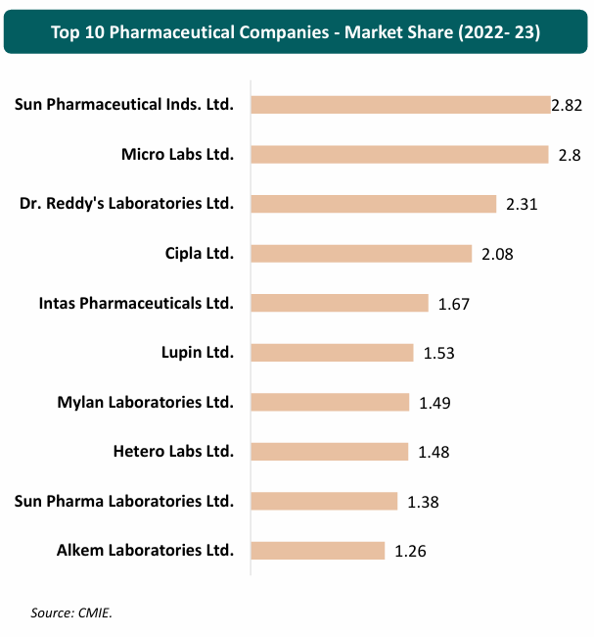
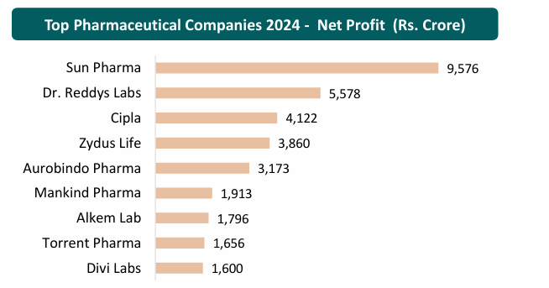

 |  |  |  |  |  |  |  |  | https://visiongain.com/report/indian-pharmaceutical-market-forecast-2019-2029/

 | Global Data |  | https://www.globaldata.com/store/report/impact-of-india-on-pharmaceutical-industry-theme-analysis/

 | The Indian pharmaceutical market was valued at $20.0 billion in 2019 which has increased at a CAGR of more than 6% during the forecast period 2020-2025.
 | More than 90% of marketed products in India are generic and the country occupies 20% share by volume in the supply of generic medicines globally.

 | Live Mint |  | https://www.livemint.com/industry/india-to-grow-pharma-sector-to-200-billion-by-2030-11700243303889.html
 | The government aims to grow the pharmaceutical industry by about four times to $200 billion by 2030

 | Ispe.org |  | https://ispe.org/pharmaceutical-engineering/march-april-2025/indian-pharmaceutical-industry-creating-global-impact |  |  |  |  |  |  |  |  |  |  |  | 6.80%
 | As of 2023, India ranked as the third-largest producer of drugs and pharmaceuticals by volume, with a 20% global share in the export of generic drugs. Currently valued at US$50 billion, the country has an ambitious goal for the sector: to grow its value to US$450 billion by 2047.

 | The Federation of Indian Chambers of Commerce and Industry projects the total market size of the Indian pharmaceutical Industry will reach US$120 billion by 2030

 | As of 2023, India ranked as the third-largest producer of drugs and pharmaceuticals by volume, with a 20% share in the export of generic drugs 1 , 5.71% of the global share of all pharmaceutical exports 1 , and a 60% share in the supply of low-cost vaccines 15 , according to the Indian Pharmaceutical Alliance

 | Between FY 2018 and FY 2023, the Indian pharmaceutical industry saw steady growth, with a compound annual growth rate (CAGR) of 6%–8%, primarily driven by an 8% increase in exports and a 6% rise in the domestic market

 | On 17 December 2024, the Ministry of Chemicals and Fertilizers in India announced that for FY 2023–2024 (which closed 31 March 31 2024), the pharmaceutical market was valued at US$50 billion 6 with domestic consumption accounting for US$23.5 billion and drug and pharmaceutical ex-ports US$26.5 billion 15 , which compares with US$15 billion in exports for FY 2013–2014 14 (see Figure 1). The sector is projected to achieve a turnover of US$130 billion by 2030

 | MAERSK |  | https://www.maersk.com/insights/growth/2024/02/27/pharmaceutical-supply-chain-in-india
 | the Indian pharmaceutical industry is booming. It jumped from $40 billion in 2021 to an expected $130 billion in 2030, with projections hitting $450 billion by 2047

 | IBEF |  | https://www.ibef.org/industry/pharmaceutical-india |  |  |  |  |  | 9.43%
 | The total market size of the Indian Pharma Industry is expected to reach US$ 130 billion by 2030 and US$ 450 billion market by 2047
 | The Indian Pharmaceutical industry is currently ranked third in pharmaceutical production by volume after evolving over time into a thriving industry growing at a CAGR of 9.43% since the past nine years.
 | The Pharma sector currently contributes to around 1.72% of the country’s GDP
 | Indian pharmaceutical market is estimated to touch US$ 130 billion in value by the end of 2030.
 | The global market size of pharmaceutical products was estimated to cross over the US$ 1 trillion mark in 2023.
 |  |  | https://www.ibef.org/industry/pharmaceutical-india#
 | Market size of India pharmaceuticals industry is expected to reach US$ 65 billion by 2024, ~US$ 130 billion by 2030 and US$ 450 billion market by 2047
 | During FY18 to FY23, the Indian pharmaceutical industry logged a compound annual growth rate (CAGR) of 6-8%, primarily driven by an 8% increase in exports and a 6% rise in the domestic market.
 | The domestic pharmaceutical sector expects sales to grow 8-10% in the financial year 2023-24, indicated an analysis done by CRISIL
 | The market is expected to increase at a CAGR of 37% from 2020 to 2025 to reach US$ 50 billion. The Indian pharmaceuticals industry is expected to grow 9-11% in the financial year 2024, as per ICRA.
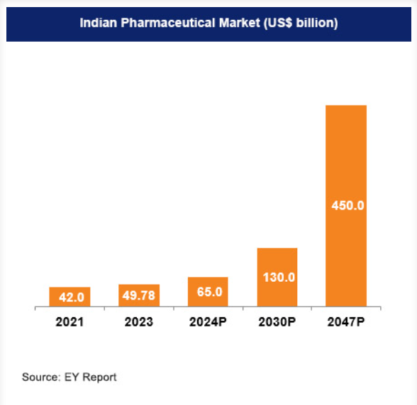

 | Concalls

 | Aug 2024

 | During the quarter, we witnessed a steady revenue growth of 12% year-on-year
 | Our domestic business revenue increased to INR2,634 crores, up by 10% year-on-year, excluding OTC in quarter 1 financial year '25. This growth was driven by an increase in volumes

 | Nov 2024

 | Jan 2025

 | Concensus Estimate
The Company has posted a revenue of INR 12,207 CR in CY2025 . The Revenue has been grown at a CAGR of 16.2% and 15.8% during the last 3 and 5 years respectively . The management is extremenly positive on overall growth on Indian Pharmaceutical market due to factors such as fast growth in diabetes, cardiac, respiratory, and women’s health. Company plans to increase R&D investments in FY26 to 2.5–3% of revenue . The Compnay has given guidance of 18%.
The Analyst's consensus growth for the CY26 is 14620 crores which is 20% growth over the CY25
Indian Pharmaceutical market is expected to grow between 8% to 11% in next few years which also depend on overall GDP of country. Considering the challenges company might face such as Digital shift & Health-Tech adoption , low income reduce medicine sales in rural areas . We assume a company would maintain a double digit growth of 20% due to increase in popularity and highly demanded products of women's health and sexual wellness brands which will be the main growth drivers for company in next 2-5 years .

# | Gross Margin

 | Company Historical Margins

 | Particulars | 2019 | 2020 | 2021 | 2022 | 2023 | 2024 | 2025 |  | Median | Average
 | Gross Margins | 65.4% | 68.0% | 71.4% | 68.9% | 66.7% | 68.9% | 68.4% |  | 68.4% | 68.3%

 | Sector Data : Damodaran

 | Just India
 | Healthcare Products | 54.88%

 | All emerging Markets
 | Healthcare Products | 46.99%

 | Global
 | Healthcare Products | 54.69%

 | Management Guidance
 |  | The Company has 32 state-of-the-art manufacturing and 6 R&D facilities with over 95% raw materials being locally procured , The prices of the Company’s raw materials generally fluctuate in line with commodity cycles . Pharma companies purchase certain raw materials from sources outside India. This reliance on foreign suppliers can expose them to currency exchange risks, further increasing the cost of production
 | The Company has 32 state-of-the-art manufacturing and 6 R&D facilities with over 95% raw materials being locally procured

 | The prices of the Company’s raw materials generally fluctuate in line with commodity cycles

 | Pharma companies purchase certain raw materials from sources outside India. This reliance on foreign suppliers can expose them to currency exchange risks, further increasing the cost of production

 | Concall May'25

 | Concall Nov'24
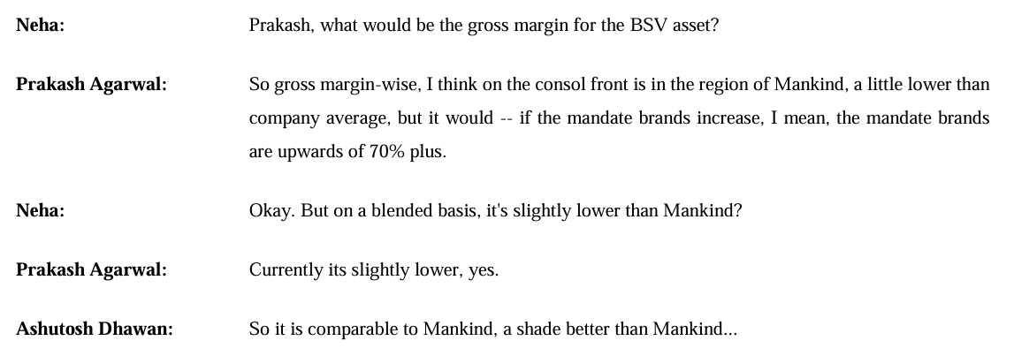

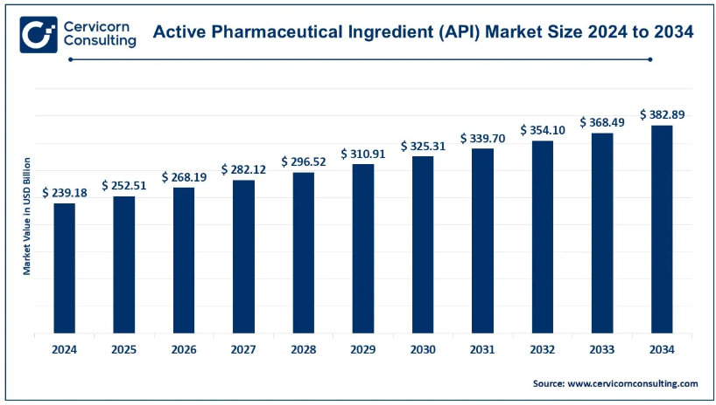
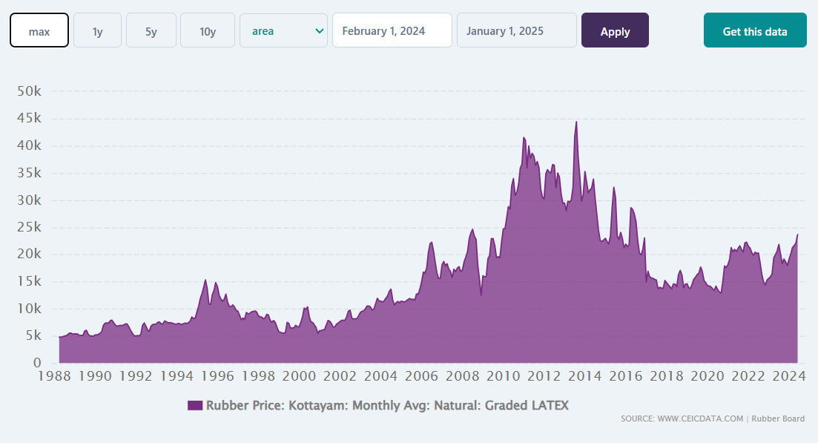

 | https://www.cervicornconsulting.com/active-pharmaceutical-ingredient-market |  |  |  | https://www.ceicdata.com/en/india/memo-items-rubber-price/rubber-price-monthly-avg-natural-graded-latex

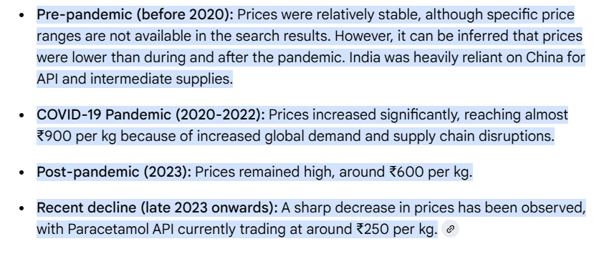

 | https://www.chemanalyst.com/NewsAndDeals/NewsDetails/api-prices-tumble-easing-cost-burden-on-indian-pharma-sector-37146#:~:text=India's%20pharma%20sector%20is%20witnessing,making%20their%20APIs%20highly%20competitive.
 | https://worldtradescanner.com/Low%20Price%20API%20from%20China%20in%20War%20with%20Indian%20Pharma%20Industry.htm#:~:text=According%20to%20pharma%20industry%20experts,to%20%E2%82%B945%2C000%20per%20kg.

 | Street Estimates

 | DOLAT CAPITAL | CY'26E | CY'27E
 | Sales | 14850 | 16793
 | Raw Material | 4232 | 4752
 | Gross Margin | 71.5% | 71.7%

 | Systematix | CY'26E | CY'27E
 | Sales | 15351 | 17255
 | Raw Material | 4529 | 5090
 | Gross Margin | 70.5% | 70.5%

 | Motilal Oswal | CY'26E | CY'27E
 | Sales | 14991 | 17069
 | Raw Material | 4363 | 5018
 | Gross Margin | 70.9% | 70.6%

 | MEDIAN Gross Margin | 70.9% | 70.6%

During the CY2025 , gross margins have increased by 260 basis points to 71.4% compared to 68.8% in FY '24. This is majorly on account of sales price increase effect , contributing 120 basis point, and the balance 140 basis point is the combination of better sales mix as chronic contribution has increased by 150 basis points on a year-on-year basis as well as certain operational efficiencies have also been achieved in manufacturing processes. - as explained by management
The Raw material consumed constitutes ~ 60%+ of the total Cost of Goods Sold and ~ 25%+ of the revenue . The major Cost of Raw material is APIs and Latex rubber which have faced inflationary during CY23.
Historically , the company has posted the Gross Margin ~ 65% to 71% with median of 68.4% in the last 7 years. Basis our research , the gross margin posted by Pharmaceutical sector in Inida was 54.88% and by the sector in global emerging market was 46.99% , and global sector was 54.69%.
The reduction in margins during CY22 was majorly due to inflationary pressure , we assume that margin will retract to ~66 % in short term and converge to ~ 71% in long term.

# | SG&A Expense
 |  |  |  |  |  |  |  |  |  | CAGR
 | Particulars | 2019 | 2020 | 2021 | 2022 | 2023 | 2024 | 2025 |  | 3 Years | 5 Years | 7 Years
 | Revenue from Operations (Net) | 4,980 | 5,872 | 6,224 | 7,782 | 8,749 | 10,335 | 12,207 |  | 16.2% | 15.8%
 | Growth YoY % | 14.0% | 17.9% | 6.0% | 25.0% | 12.4% | 18.1% | 18.1%

 | SG&A Expenses | 2,334 | 2,460 | 2,786 | 3,370 | 3,935 | 4,590 | 5,700 |  | 19.1% | 18.3%
 | Growth YoY % |  | 5.4% | 13.3% | 21.0% | 16.8% | 16.6% | 24.2%

 | Historical SG&A Analysis

 | Profit and Loss | 2019 | 2020 | 2021 | 2022 | 2023 | 2024 | 2025
 | Revenue | 4,980 | 5,872 | 6,224 | 7,782 | 8,749 | 10,335 | 12,207

 | Employee Benefit Expenses | 1,095 | 1,336 | 1,416 | 1,621 | 1,918 | 2,275 | 2,692
 | Consumption of stores and spares | 36 | 45 | 44 | 48 | 49 | 59 | 76
 | Power and fuel | 64 | 80 | 83 | 103 | 109 | 129 | 149
 | Rent | 19 | 17 | 18 | 21 | 20 | 23 | 25
 | Repair and maintenance | 30 | 44 | 49 | 66 | 89 | 111 | 169
 | Insurance | 7 | 8 | 10 | 14 | 15 | 19 | 26
 | Rates and taxes | 41 | 44 | 41 | 63 | 112 | 67 | 107
 | Communication expenses | 13 | 11 | 14 | 21 | 24 | 30 | 38
 | Travelling and conveyance | 297 | 270 | 270 | 358 | 496 | 378 | 461
 | Printing and stationery | 5 | 4 | 5 | 7 | 10 | 10 | 11
 | Others | 326 | 298 | 370 | 511 | 619 | 804 | 1,073
 | Advertising and sales promotion expenses | 357 | 255 | 386 | 452 | 374 | 604 | 755
 | Miscellaneous expenses | 37 | 41 | 51 | 69 | 87 | 69 | 96
 | Total SG&A Expenses | 2,329 | 2,453 | 2,756 | 3,354 | 3,924 | 4,579 | 5,678 |  | 3353.6 | 3581.6525714

 | Profit and Loss | 2019 | 2020 | 2021 | 2022 | 2023 | 2024 | 2025 |  | Median | Average
 | Employee Benefit Expenses | 47.0% | 54.4% | 51.4% | 48.3% | 48.9% | 49.7% | 47.4% |  | 48.9% | 49.6%
 | Consumption of stores and spares | 1.6% | 1.8% | 1.6% | 1.4% | 1.2% | 1.3% | 1.3% |  | 1.4% | 1.5%
 | Power and fuel | 2.8% | 3.3% | 3.0% | 3.1% | 2.8% | 2.8% | 2.6% |  | 2.8% | 2.9%
 | Rent | 0.8% | 0.7% | 0.7% | 0.6% | 0.5% | 0.5% | 0.4% |  | 0.6% | 0.6%
 | Repair and maintenance | 1.3% | 1.8% | 1.8% | 2.0% | 2.3% | 2.4% | 3.0% |  | 2.0% | 2.1%
 | Insurance | 0.3% | 0.3% | 0.4% | 0.4% | 0.4% | 0.4% | 0.5% |  | 0.4% | 0.4%
 | Rates and taxes | 1.8% | 1.8% | 1.5% | 1.9% | 2.8% | 1.5% | 1.9% |  | 1.8% | 1.9%
 | Communication expenses | 0.6% | 0.5% | 0.5% | 0.6% | 0.6% | 0.7% | 0.7% |  | 0.6% | 0.6%
 | Travelling and conveyance | 12.8% | 11.0% | 9.8% | 10.7% | 12.6% | 8.3% | 8.1% |  | 10.7% | 10.5%
 | Printing and stationery | 0.2% | 0.2% | 0.2% | 0.2% | 0.3% | 0.2% | 0.2% |  | 0.2% | 0.2%
 | Others | 14.0% | 12.1% | 13.4% | 15.2% | 15.8% | 17.6% | 18.9% |  | 15.2% | 15.3%
 | Advertising and sales promotion expenses | 15.3% | 10.4% | 14.0% | 13.5% | 9.5% | 13.2% | 13.3% |  | 13.3% | 12.7%
 | Miscellaneous expenses | 1.6% | 1.7% | 1.8% | 2.1% | 2.2% | 1.5% | 1.7% |  | 1.7% | 1.8%
 | Total SG&A Expenses | 100.0% | 100.0% | 100.0% | 100.0% | 100.0% | 100.0% | 100.0%

 | Profit and Loss | 2019 | 2020 | 2021 | 2022 | 2023 | 2024 | 2025 |  | Median | Average
 | Revenue | 4,980 | 5,872 | 6,224 | 7,782 | 8,749 | 10,335 | 12,207

 | Employee Benefit Expenses | 1,095 | 1,336 | 1,416 | 1,621 | 1,918 | 2,275 | 2,692 |  | 1,621 | 1,765
 | Employee Exps % Revenue | 22.0% | 22.7% | 22.7% | 20.8% | 21.9% | 22.0% | 22.1% |  | 22.0% | 22.0%

 | Advertising and sales promotion expenses | 357 | 255 | 386 | 452 | 374 | 604 | 755 |  | 386 | 455
 | Advertising and sales promotion expenses % Revenue | 7.2% | 4.3% | 6.2% | 5.8% | 4.3% | 5.8% | 6.2% |  | 5.8% | 5.7%

 | Travelling and conveyance | 297 | 270 | 270 | 358 | 496 | 378 | 461 |  | 358 | 362
 | Travelling and conveyance % Revenue | 6.0% | 4.6% | 4.3% | 4.6% | 5.7% | 3.7% | 3.8% |  | 4.6% | 4.7%

 | Other Operating Expenses | 326 | 298 | 370 | 511 | 619 | 804 | 1,073 |  | 511 | 572
 | Other Operating Expenses % Revenue | 6.6% | 5.1% | 5.9% | 6.6% | 7.1% | 7.8% | 8.8% |  | 6.6% | 6.8%

 | Other SG&A Expenses | 253 | 295 | 344 | 429 | 528 | 529 | 719 |  | 429 | 442
 | Other SG&A Expenses % Revenue | 5.1% | 5.0% | 5.5% | 5.5% | 6.0% | 5.1% | 5.9% |  | 5.5% | 5.5%

 | Total SG&A % Sales | 46.8% | 41.8% | 44.8% | 43.3% | 45.0% | 44.4% | 46.7% |  | 44.8% | 44.7% |  |  | 29.6662 | 16.8605 | 11.6245 | 10.9558 | 22.1

During the CY25 , the company has reported EBITDA margin of 21.7% which is 280bps lower than CY24 (24.5%) . This reason for rise in the decline in EBITDA margin of 280 bps was primarily due to increase in selling and other expenses to launch certain brands of BSV. The management is determined to keep the operating expenses in check and gave EBITDA margin guidance of ~19 % - 20% .
Basis our research , we have identified that historically SG&A expenses is 51.9% . Where four expenses viz Employee Benefit , Advertising expenses , Travelling and conveyance and other Operating expenses constitute 88.1% of total SG&A expenses . This four key expenses are directly linked with sales .
We assumed total SG&A expenses to remain at 51.9% level as percentage of revenues , which is almost aligned with street estimates and management consensus.
 |  |  |  |  |  |  |  |  |  |  |  |  |  | -1

 | Revenue Growth YoY % | Inventories Growth YoY %
2015
2016 | 18.7% | 3.9%
2017 | 11.1% | 27.5%
2018 | 12.3% | 0.0%
2019 | 1.2% | 4.1%
2020 | 17.9% | 9.5%
2021 | 6.0% | 31.7%
2022 | 25.0% | 48.6%
2023 | 12.4% | -14.9%
2024 | 18.1% | 3.7%
2025 | 18.1% | 34.8%
# | Current Assets
 |  |  |  |  |  |  |  |  |  |  |  |  |  | CAGR
 | Current Assets | 2015 | 2016 | 2017 | 2018 | 2019 | 2020 | 2021 | 2022 | 2023 | 2024 | 2025 |  | 3 Years | 5 Years | 7 Years
 | Current Investments | 737 | 655 | 848 | 650 | 543 | 665 | 1,306 | 874 | 1,075 | 2,258 | 1,690 |  | 24.6% | 20.5% | 14.6%
 | Inventories | 596 | 619 | 789 | 789 | 821 | 899 | 1,184 | 1,760 | 1,498 | 1,553 | 2,093 |  | 5.9% | 18.4% | 15.0%
 | Trade Receivables | 197 | 193 | 166 | 297 | 220 | 531 | 331 | 388 | 576 | 848 | 1,538 |  | 58.3% | 23.7% | 26.5%
 | Other Current Assets | 62 | 86 | 31 | 469 | 9 | 10 | 83 | 171 | 64 | 104 | 802 |  | 67.4% | 140.3% | 8.0%
 | Cash and Cash Equivalents | 39 | 90 | 146 | 139 | 141 | 420 | 701 | 406 | 453 | 1,198 | 407 |  | 0.1% | -0.6% | 16.6%
 | Total Current Assets | 1,631 | 1,643 | 1,980 | 2,344 | 1,734 | 2,525 | 3,605 | 3,599 | 3,666 | 5,961 | 6,530 |  | 22.0% | 20.9% | 15.8%

 | Total Asset | 2,532 | 2,848 | 3,741 | 4,360 | 4,112 | 5,073 | 6,373 | 9,148 | 9,715 | 11,963 | 27,569 |  | 44.4% | 40.3% | 30.1%

 | Current Assets % Total Assets | 64.4% | 57.7% | 52.9% | 53.8% | 42.2% | 49.8% | 56.6% | 39.3% | 37.7% | 49.8% | 23.7% |  | -15.6% | -13.8% | -11.0%

 | Current Assets | 2015 | 2016 | 2017 | 2018 | 2019 | 2020 | 2021 | 2022 | 2023 | 2024 | 2025
 | Current Investments | 45.2% | 39.9% | 42.8% | 27.7% | 31.3% | 26.3% | 36.2% | 24.3% | 29.3% | 37.9% | 25.9%
 | Inventories | 36.5% | 37.7% | 39.8% | 33.7% | 47.4% | 35.6% | 32.8% | 48.9% | 40.9% | 26.1% | 32.1%
 | Trade Receivables | 12.1% | 11.7% | 8.4% | 12.7% | 12.7% | 21.0% | 9.2% | 10.8% | 15.7% | 14.2% | 23.6%
 | Other Current Assets | 3.8% | 5.2% | 1.6% | 20.0% | 0.5% | 0.4% | 2.3% | 4.8% | 1.7% | 1.7% | 12.3%
 | Cash and Cash Equivalents | 2.4% | 5.5% | 7.4% | 5.9% | 8.1% | 16.6% | 19.4% | 11.3% | 12.4% | 20.1% | 6.2%
 | Total Current Assets | 100.0% | 100.0% | 100.0% | 100.0% | 100.0% | 100.0% | 100.0% | 100.0% | 100.0% | 100.0% | 100.0%

# | Inventory

 | Current Assets | 2015 | 2016 | 2017 | 2018 | 2019 | 2020 | 2021 | 2022 | 2023 | 2024 | 2025 |  | Median | Average
 | Revenue | 3,323 | 3,944 | 4,382 | 4,921 | 4,980 | 5,872 | 6,224 | 7,782 | 8,749 | 10,335 | 12,207
 | Revenue Growth YoY % |  | 18.7% | 11.1% | 12.3% | 1.2% | 17.9% | 6.0% | 25.0% | 12.4% | 18.1% | 18.1% |  | 15.2% | 14.1%

 | Inventories | 596 | 619 | 789 | 789 | 821 | 899 | 1184 | 1760 | 1498 | 1553 | 2093
 | Inventories Growth YoY % |  | 3.9% | 27.5% | 0.0% | 4.1% | 9.5% | 31.7% | 48.6% | -14.9% | 3.7% | 34.8% |  | 6.8% | 14.9%

 | Average Inventory |  | 608 | 704 | 789 | 805 | 860 | 1042 | 1472 | 1629 | 1526 | 1823

 | Average Inventory % Revenue |  | 15.4% | 16.1% | 16.0% | 16.2% | 14.6% | 16.7% | 18.9% | 18.6% | 14.8% | 14.9% |  | 16.0% | 16.2%

 | COGS | 1393 | 1551 | 1586 | 1671 | 1721 | 1878 | 1781 | 2422 | 2914 | 3210 | 3855

 | Inventory Turnover Ratio (COGS) |  | 2.6x | 2.3x | 2.1x | 2.1x | 2.2x | 1.7x | 1.6x | 1.8x | 2.1x | 2.1x |  | 2.1x | 2.1x
 | Inventory Turnover Ratio (Revenue) |  | 6.5x | 6.2x | 6.2x | 6.2x | 6.8x | 6.0x | 5.3x | 5.4x | 6.8x | 6.7x |  | 6.2x | 6.2x

 | Inventory Days (COGS) |  | 143 | 162 | 172 | 171 | 167 | 213 | 222 | 204 | 173 | 173 |  | 172 | 180
 | Inventory Days (Revenue) |  | 56 | 59 | 59 | 59 | 53 | 61 | 69 | 68 | 54 | 55 |  | 59 | 59
 | 365

 | Peers Inventory Days | 2015 | 2016 | 2017 | 2018 | 2019 | 2020 | 2021 | 2022 | 2023 | 2024 | 2025
 | Mankind Pharma |  | 143 | 162 | 172 | 171 | 167 | 213 | 222 | 204 | 173 | 173
 | Peer 1 - Dr. Reddys | 248 | 248 | 282 | 263 | 273 | 230 | 273 | 250 | 232 | 283 | 260
 | Peer 2 - Cipla | 329 | 273 | 239 | 271 | 250 | 267 | 232 | 230 | 228 | 217 | 231
 | Peer 3 - SunPharma | 307 | 370 | 307 | 338 | 366 | 311 | 378 | 315 | 360 | 338 | 348

 | Median | 307 | 273 | 282 | 271 | 273 | 267 | 273 | 250 | 232 | 283 | 260
 | Average | 295 | 297 | 276 | 291 | 296 | 269 | 294 | 265 | 273 | 279 | 280

 | Street Estimates | 2026 | 2027
 | Geojit (365/Inv Turnover Ratio) | 183 | 184
 | Motilal Oswaal (Inventory/Revenue*365) | 59 | 61 |  | Street Estimate of Inventory days considered as almost flast from current levels

Historically the company is maintaining inventory levels ~16% of revenues with inventory turnover ratio being consistent around 2.1 Further street estimate suggests ,
the inventory levels remain to flat from existing inventory days.
We assume our inventory levels go up by X days from XX days to XX days in year 2026 & 2027

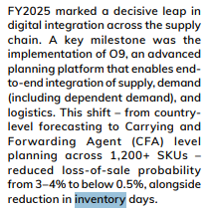

 | Revenue Growth YoY % | Trade Receivable Growth YoY %
2015
2016 | 18.7% | -2.0%
2017 | 11.1% | -14.0%
2018 | 12.3% | 78.9%
2019 | 1.2% | -25.9%
2020 | 17.9% | 141.4%
2021 | 6.0% | -37.7%
2022 | 25.0% | 17.2%
2023 | 12.4% | 48.5%
2024 | 18.1% | 47.2%
2025 | 18.1% | 81.4%
# | Debtors

 | Particulars | 2015 | 2016 | 2017 | 2018 | 2019 | 2020 | 2021 | 2022 | 2023 | 2024 | 2025 |  | Median | Average
 | Revenue | 3,323 | 3,944 | 4,382 | 4,921 | 4,980 | 5,872 | 6,224 | 7,782 | 8,749 | 10,335 | 12,207
 | Revenue Growth YoY % |  | 18.7% | 11.1% | 12.3% | 1.2% | 17.9% | 6.0% | 25.0% | 12.4% | 18.1% | 18.1% |  | 15.2% | 14.1%

 | Trade Receivable | 197 | 193 | 166 | 297 | 220 | 531 | 331 | 388 | 576 | 848 | 1,538
 | Trade Receivable Growth YoY % |  | -2.0% | -14.0% | 78.9% | -25.9% | 141.4% | -37.7% | 17.2% | 48.5% | 47.2% | 81.4% |  | 32.2% | 33.5%

 | Average Trade Receivable |  | 195 | 180 | 232 | 259 | 376 | 431 | 360 | 482 | 712 | 1193

 | Average Trade Receivable % Revenue |  | 4.9% | 4.1% | 4.7% | 5.2% | 6.4% | 6.9% | 4.6% | 5.5% | 6.9% | 9.8% |  | 5.3% | 5.9%

 | Receivable Turnover ratio (Revenue) | 17x | 20x | 26x | 17x | 23x | 11x | 19x | 20x | 15x | 12x | 8x |  | 18x | 17x

 | Receivable Days | 22 | 18 | 14 | 22 | 16 | 33 | 19 | 18 | 24 | 30 | 46 |  | 21 | 24
 | 365

 | Peers Receivable Days Analysis | 2015 | 2016 | 2017 | 2018 | 2019 | 2020 | 2021 | 2022 | 2023 | 2024 | 2025
 | Mankind Pharma | 22 | 18 | 14 | 22 | 16 | 33 | 19 | 18 | 24 | 30 | 46 |  | 22 | 24 | 25
 | Peer 1 - Dr. Reddys | 100 | 97 | 98 | 104 | 94 | 105 | 95 | 113 | 107 | 105 | 101
 | Peer 2 - Cipla | 64 | 62 | 65 | 75 | 93 | 83 | 66 | 57 | 65 | 68 | 73
 | Peer 3 - SunPharma | 68 | 87 | 83 | 108 | 112 | 105 | 99 | 99 | 95 | 85 | 91

 | Median | 68 | 87 | 83 | 104 | 94 | 105 | 95 | 99 | 95 | 85 | 91
 | Average | 77 | 82 | 82 | 96 | 100 | 98 | 87 | 90 | 89 | 86 | 88

 | Street Estimates | 2026 | 2027
 | Geojit (365/Inv Turnover Ratio) | 41 | 42
 | Motilal Oswaal (Inventory/Revenue*365) | 43 | 41

 | Receivables ageing analysis
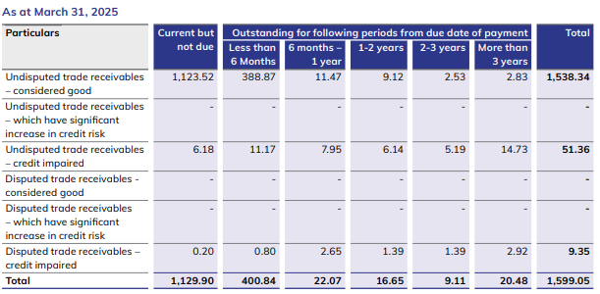

 |  | 1129 | 400 | 22 | 16 | 9 | 20 | 1596
 |  | 70.7% | 25.1% | 1.4% | 1.0% | 0.6% | 1.3% | 100.0%

 | Trade receivables have increased to ` 1,538 crore in FY2025 from ` 848 crore in FY2024. The increase is primarily attributed to growth in Sales and consolidation of BSV business acquired during the year
Trade receivables increased to ₹1,538 crore in FY2025 from ₹848 crore in FY2024, mainly due to higher sales and the consolidation of the BSV business. Historically,
the company has maintained receivables at ~8% of revenues with debtor days steady at around 30. Street estimates suggest receivables will remain stable at these levels,
while we assume a reduction of 5–6 days, bringing debtor days down to about 24 by FY2026–27, supporting better working capital efficiency.

 | Trade receivables have increased to ` 1,538 crore in FY2025 from ` 848 crore in FY2024. The increase is primarily attributed to growth in Sales and consolidation of BSV business acquired during the year .Historically the company is maintaining inventory levels ~16% of revenues with inventory turnover ratio being consistent around 2.1 Further street estimate suggests , the inventory levels remain to flat from existing inventory days. We assume our inventory levels go up by X days from XX days to XX days in year 2026 & 2027
# | Current Assets

 | Current Assets | 2015 | 2016 | 2017 | 2018 | 2019 | 2020 | 2021 | 2022 | 2023 | 2024 | 2025 |  | Median | Average
 | Revenue | 3,323 | 3,944 | 4,382 | 4,921 | 4,980 | 5,872 | 6,224 | 7,782 | 8,749 | 10,335 | 12,207

 | Other Current Assets |  |  |  |  | 273 | 307 | 386 | 978 | 724 | 710 | 1111
 | Other Current Assets% Revenue |  |  |  |  | 5.47% | 5.23% | 6.19% | 12.57% | 8.28% | 6.87% | 9.10% |  | 6.9% | 7.7%

 | We assume other current asset to remain flat at 7 % of revenue

# | Fixed Assets

 | Fixed Assets | 2015 | 2016 | 2017 | 2018 | 2019 | 2020 | 2021 | 2022 | 2023 | 2024 | 2025 |  | Median | Average
 | Gross Block | 442 | 489 | 915 | 1,230 | 1,681 | 1,993 | 2,166 | 4,252 | 5,239 | 5,910 | 20,917
 | Less: Land (Non-Depreciable)
 | Less: Accumulated Depreciation | 126 | 42 | 122 | 216 | 282 | 394 | 501 | 664 | 988 | 1,370 | 1,912
 | Net Fixed Assets | 316 | 447 | 793 | 1,014 | 1,399 | 1,599 | 1,665 | 3,588 | 4,251 | 4,540 | 19,005

 | Change in Gross Block |  | 47 | 426 | 315 | 451 | 312 | 173 | 2,086 | 987 | 671 | 15,007

 | Total Asset | 2,532 | 2,848 | 3,741 | 4,360 | 4,112 | 5,073 | 6,373 | 9,148 | 9,715 | 11,963 | 27,569

 | Net Fixed Assets % Total Assets | 12.48% | 15.70% | 21.20% | 23.26% | 34.02% | 31.52% | 26.13% | 39.22% | 43.76% | 37.95% | 68.94% |  | 31.52% | 32.20%

 | Total Revenue | 3,323 | 3,944 | 4,382 | 4,921 | 4,980 | 5,872 | 6,224 | 7,782 | 8,749 | 10,335 | 12,207
 | Change in Revenue |  | 621 | 438 | 539 | 59 | 892 | 352 | 1,558 | 967 | 1,586 | 1,872

 | Net Fixed Assets % Total Revenue | 9.51% | 11.33% | 18.10% | 20.61% | 28.09% | 27.23% | 26.75% | 46.11% | 48.59% | 43.93% | 155.69% |  | 27.23% | 39.63%

 | Growth in Gross Block YoY% |  | 10.63% | 87.12% | 34.43% | 36.67% | 18.56% | 8.68% | 96.31% | 23.21% | 12.81% | 253.93% |  | 28.82% | 58.23%

 | Change in Gross Block |  | 47 | 426 | 315 | 451 | 312 | 173 | 2,086 | 987 | 671 | 15,007
 | Change in Revenue |  | 621 | 438 | 539 | 59 | 892 | 352 | 1,558 | 967 | 1,586 | 1,872

 | Change in Revenue / Change in Gross Block |  | 13.2x | 1.0x | 1.7x | 0.1x | 2.9x | 2.0x | 0.7x | 1.0x | 2.4x | 0.1x |  | 1.4x | 2.5x
 | Asset Turnover Ratio | 1.3x | 1.4x | 1.2x | 1.1x | 1.2x | 1.2x | 1.0x | 0.9x | 0.9x | 0.9x | 0.4x |  | 1.1x | 1.0x

 | Breakup of Gross Fixed Assets | 2015 | 2016 | 2017 | 2018 | 2019 | 2020 | 2021 | 2022 | 2023 | 2024 | 2025
 | Land | - | - | - | - | - | 291 | 291 | 308 | 463 | 465 | 525
 | Building | - | - | - | - | - | 565 | 589 | 601 | 1,069 | 1,279 | 1,086
 | Plant Machinery | - | - | - | - | - | 869 | 979 | 1,136 | 1,349 | 1,696 | 1,987
 | Equipments | - | - | - | - | - | 20 | 34 | 63 | 95 | 110 | 113
 | Computers | - | - | - | - | - | 25 | 27 | 32 | 57 | 72 | 89
 | Furniture n fittings | - | - | - | - | - | 101 | 111 | 119 | 163 | 191 | 181
 | Vehicles | - | - | - | - | - | 32 | 34 | 42 | 71 | 82 | 91
 | Intangible Assets | - | - | - | - | - | 68 | 68 | 1,861 | 1,871 | 1,871 | 15,987
 | Other fixed assets | - | - | - | - | - | 23 | 33 | 89 | 100 | 150 | 857
 | Total Fixed Assets | - | - | - | - | - | 1,994 | 2,166 | 4,251 | 5,238 | 5,916 | 20,916

 | Breakup of Fixed Assets - Common Size | 2015 | 2016 | 2017 | 2018 | 2019 | 2020 | 2021 | 2022 | 2023 | 2024 | 2025
 | Land | - | - | - | - | - | 14.6% | 13.4% | 7.2% | 8.8% | 7.9% | 2.5% |  | Exclude Land from Gross Assets
 | Building | - | - | - | - | - | 28.3% | 27.2% | 14.1% | 20.4% | 21.6% | 5.2%
 | Plant Machinery | - | - | - | - | - | 43.6% | 45.2% | 26.7% | 25.8% | 28.7% | 9.5%
 | Equipments | - | - | - | - | - | 1.0% | 1.6% | 1.5% | 1.8% | 1.9% | 0.5%
 | Computers | - | - | - | - | - | 1.3% | 1.2% | 0.8% | 1.1% | 1.2% | 0.4%
 | Furniture n fittings | - | - | - | - | - | 5.1% | 5.1% | 2.8% | 3.1% | 3.2% | 0.9%
 | Vehicles | - | - | - | - | - | 1.6% | 1.6% | 1.0% | 1.4% | 1.4% | 0.4%
 | Intangible Assets | - | - | - | - | - | 3.4% | 3.1% | 43.8% | 35.7% | 31.6% | 76.4%
 | Other fixed assets | - | - | - | - | - | 1.2% | 1.5% | 2.1% | 1.9% | 2.5% | 4.1%
 | Total Fixed Assets | 0 | 0 | 0 | 0 | 0 | 100.0% | 100.0% | 100.0% | 100.0% | 100.0% | 100.0%

 | Particulars | 2015 | 2016 | 2017 | 2018 | 2019 | 2020 | 2021 | 2022 | 2023 | 2024 | 2025

 | Change in Gross Block | - | 47 | 426 | 315 | 451 | 312 | 173 | 2,086 | 987 | 671 | 15,007
 | Depreciation & Amortization | 585 | 759 | 851 | 994 | 925 | 1445 | 1649 | 1991 | 1902 | 2537 | 2651

 | Maintainance Capex | 585 | 759 | 851 | 994 | 925 | 1445 | 1649 | 1991 | 1902 | 2537 | 2651
 | Growth Capex | 0 | 0 | 0 | 0 | 0 | 0 | 0 | 95 | 0 | 0 | 12356

# | Management Guidance | 2015 | 2016 | 2017 | 2018 | 2019 | 2020 | 2021 | 2022 | 2023 | 2024 | 2025

 | Aug' 24

 | Nov' 24

 | Jan' 25

 | May' 25

 |  |  |  |  |  | investing more in R&D, especially in developing new drugs like
 |  |  |  |  |  | GPR119 molecule , GLP-1 product

 |  |  |  |  |  | preparing for long-term margin expansion (from ~26% to 30% by FY30)

 |  |  |  |  |  | Targeting higher domestic revenue growth (1.2x IPM)

 |  |  |  |  |  | Assuming increase of 2.5% to 3% of FY'26 revenue for R&D
 |  |  |  |  |  | Growth of 210 bps compared to FY'25 in R&D

 | Annual Report '25

 | Invested ₹264 crore in R&D during FY2025

Historically , the company has done major growrh capex of ~ 95 CR and 12,300 CR in CY'22 and CY'25 respectively .

 | Fixed Assets | 2019 | 2020 | 2021 | 2022 | 2023 | 2024 | 2025 | 2026 | 2027
 | Property , plant and equipment | 1,352 | 1,551 | 1,620 | 1,652 | 2,409 | 2,813 | 2,741
 | Right-of-use-assets | - | - | - | 67 | 114 | 119 | 167
 | Intangible assets (excluding goodwill) | 27 | 22 | 18 | 1,843 | 1,701 | 1,588 | 9,605
 | Total Assets | 1,379 | 1,574 | 1,638 | 3,562 | 4,225 | 4,520 | 12,512 | 12,912 | 13,312
 |  |  |  |  |  |  |  |  | Revenue'26 | Revenue'27
 |  |  |  |  |  |  |  |  | 14,404 | 16,781
 | Particulars | 2026 | 2027 | 2028 | 2029 | 2030 |  |  | 389 | 453
 | Capex | 653 | 717 |  |  |  |  |  | 653 | 717
 | Change in Revenue/Change in Capex Ratio |  |  | 37% | 37% | 37%
 |  |  |  |  |  |  |  |  | 2,377
 |  |  |  |  |  |  |  |  | 64

 |  |  |  |  |  |  |  |  | 37

# | Other non-current Item

 | Particulars | 2019 | 2020 | 2021 | 2022 | 2023 | 2024 | 2025
 | Revenue | 4,980 | 5,872 | 6,224 | 7,782 | 8,749 | 10,335 | 12,207
 | Other non-current assets | 36 | 37 | 97 | 74 | 73 | 66 | 92

 | Other non-current assets % Revenue | 0.7% | 0.6% | 1.6% | 1.0% | 0.8% | 0.6% | 0.8%

# | CWIP

 | Fixed Assets | 2015 | 2016 | 2017 | 2018 | 2019 | 2020 | 2021 | 2022 | 2023 | 2024 | 2025
 | Net Fixed Assets | 316 | 447 | 793 | 1,014 | 1,399 | 1,599 | 1,665 | 3,588 | 4,251 | 4,540 | 19,005
 | Capital Work in Progress | 44 | 139 | 302 | 482 | 327 | 313 | 372 | 670 | 493 | 207 | 306
 | CWIP % Fixed Assets | 13.9% | 31.1% | 38.1% | 47.5% | 23.4% | 19.6% | 22.3% | 18.7% | 11.6% | 4.6% | 1.6%

 | Median CWIP% Fixed Assets - Moderate Capex | 13.9%
 | Median CWIP% Fixed Assets - Aggresive Capex | 38.1%

 | Management Guidance

 | No Guidance Available

 | Management Guidance | 2026 | 2027 |  | Median
 | Geojit | 298 | 358 |  | 328
 | Motilal Oswaal | 281 | 281 |  | 281
Historically , companny's CWIP shoot up to .................................

# | Depreciation

 | Particulars | 2015 | 2016 | 2017 | 2018 | 2019 | 2020 | 2021 | 2022 | 2023 | 2024 | 2025 |  | Median | Average
 | Gross Block | 442 | 489 | 915 | 1,230 | 1,681 | 1,993 | 2,166 | 4,252 | 5,239 | 5,910 | 20,917
 | Less: Land (Non-Depreciable) | - | - | - | - | - | 291 | 291 | 308 | 463 | 465 | 525
 | Less: Intangible assets (excluding goodwill) | - | - | - | - | 27 | 22 | 18 | 1,843 | 1,701 | 1,588 | 9,605
 | Depreciable Gross Block | 442 | 489 | 915 | 1,230 | 1,654 | 1,680 | 1,857 | 2,101 | 3,075 | 3,857 | 10,787
 | Less: Accumulated Depreciation | 126 | 42 | 122 | 216 | 282 | 394 | 501 | 664 | 988 | 1,370 | 1,912
 | Net Depreciable Fixed Assets | 316 | 447 | 793 | 1,014 | 1,372 | 1,286 | 1,356 | 1,437 | 2,087 | 2,487 | 8,875

 | Depreciation for the Year | 39 | 43 | 31 | 46 | 69 | 99 | 119 | 167 | 326 | 378 | 621

 | Average Life of Asset | 11 | 11 | 30 | 27 | 24 | 17 | 16 | 13 | 9 | 10 | 17 |  | 16 | 17
 | Average Age of Asset | 3 | 1 | 4 | 5 | 4 | 4 | 4 | 4 | 3 | 4 | 3 |  | 4 | 4
 | % of Asset Depreciated | 28.51% | 8.59% | 13.33% | 17.56% | 17.05% | 23.46% | 26.99% | 31.60% | 32.13% | 35.52% | 17.72% |  | 23.46% | 22.95%

 | Depreciation % Net Fixed Assets | 12.34% | 9.62% | 3.91% | 4.54% | 5.03% | 7.70% | 8.78% | 11.62% | 15.62% | 15.20% | 7.00% |  | 8.78% | 9.21%

 | Depreciation % Gross Block | 2.56% | 2.33% | 3.23% | 2.17% | 1.43% | 0.85% | 0.72% | 0.30% | 0.18% | 0.17% | 0.08% |  | 0.85% | 1.27%

 | Depreciation % Revenue | 1.17% | 1.09% | 0.71% | 0.93% | 1.39% | 1.69% | 1.91% | 2.15% | 3.73% | 3.66% | 5.09% |  | 1.69% | 2.14%

# | Current Liabilities

 | Particulars | 2015 | 2016 | 2017 | 2018 | 2019 | 2020 | 2021 | 2022 | 2023 | 2024 | 2025
 | Trade Payables | 380 | 419 | 492 | 649 | 562 | 745 | 667 | 1076 | 1008 | 1103 | 1133
 | Growth YoY % |  | 10.3% | 17.4% | 31.9% | -13.4% | 32.6% | -10.5% | 61.3% | -6.3% | 9.4% | 2.7%

 | COGS | 1393 | 1551 | 1586 | 1671 | 1721 | 1878 | 1781 | 2422 | 2914 | 3210 | 3855

 | Trade Payables % COGS | 27.3% | 27.0% | 31.0% | 38.8% | 32.7% | 39.7% | 37.5% | 44.4% | 34.6% | 34.4% | 29.4%

 | Trade Payable Days | 100 | 99 | 113 | 142 | 119 | 145 | 137 | 162 | 126 | 125 | 107 |  | 125 | 128
 | 365

 | Revenue | 3,323 | 3,944 | 4,382 | 4,921 | 4,980 | 5,872 | 6,224 | 7,782 | 8,749 | 10,335 | 12,207

 | Trade Payable % Revenue | 11.4% | 10.6% | 11.2% | 13.2% | 11.3% | 12.7% | 10.7% | 13.8% | 11.5% | 10.7% | 9.3%
 | Trade Receivables % Revenue | 5.9% | 4.9% | 3.8% | 6.0% | 4.4% | 9.0% | 5.3% | 5.0% | 6.6% | 8.2% | 12.6%

 | Peers Payables Days Analysis | 2015 | 2016 | 2017 | 2018 | 2019 | 2020 | 2021 | 2022 | 2023 | 2024 | 2025
 | Mankind Pharma | 100 | 99 | 113 | 142 | 119 | 145 | 137 | 162 | 126 | 125 | 107
 | Peer 1 - Dr. Reddys | 84 | 88 | 104 | 121 | 111 | 100 | 109 | 111 | 108 | 116 | 97
 | Peer 2 - Cipla | 126 | 106 | 108 | 142 | 123 | 139 | 103 | 108 | 112 | 102 | 116
 | Peer 3 - SunPharma | 178 | 207 | 197 | 234 | 192 | 142 | 167 | 158 | 194 | 194 | 210

 | Median | 126 | 106 | 108 | 142 | 123 | 139 | 109 | 111 | 112 | 116 | 116
 | Average | 129 | 134 | 136 | 166 | 142 | 127 | 126 | 126 | 138 | 137 | 141

 | Street Estimates | 2026 | 2027
 | Geojit | 153 | 157
 | Motilal Oswaal | - | -

 | Management Guidance

 | No Guidance available

The company’s trade payable days have been volatile since the pandemic, though payables have consistently remained around ~10% of revenues.
In comparison, peers maintain much longer payable cycles of about 116 days, expected to remain near ~120 in the coming years. This reflects the
company’s relatively conservative approach to settling dues, ensuring stability in supplier relationships while slightly limiting working capital flexibility.
 |  |  |  |  |  |  |  |  | 120 Days

# | Other Current Liabilities
We assume Other Current Liabilities excluding short term borrowings to maintain flat at 2025 levels . The Short Term Borrowing is separately calculated.

# | Debt

 | Particulars | 2019 | 2020 | 2021 | 2022 | 2023 | 2024 | 2025 |  | Median | Average

 | Long Term Borrowings | 25 | 58 | 57 | 49 | 23 | 25 | 5,526 |  |  |  |  |  |  |  | Sunpharma |  |  |  | Dr Reddy
 | YoY Growth % |  | 131.7% | -1.3% | -14.3% | -52.9% | 7.3% | 22122.4% |  | 3% | 3699% |  |  |  |  | 2024 | 2025 |  |  | 2024 | 2025
 | Short Term Borrowings | 241 | 44 | 159 | 819 | 139 | 171 | 2,957 |  |  |  |  |  |  | Debt | 1870 | 2846 |  | Debt | 16523 | 41845
 | YoY Growth % |  | -81.7% | 258.2% | 416.3% | -83.0% | 22.7% | 1627.4% |  | 140% | 360% |  |  |  | Equity | 67125 | 72485 |  | Equity | 28254 | 33927
 | Total Borrowings | 267 | 102 | 216 | 868 | 163 | 196 | 8,483 |  |  |  |  |  |  | D/E | 0.03x | 0.04x |  | D/E | 0.58 | 1.23
 | YoY Growth % |  | -61.6% | 110.8% | 301.8% | -81.3% | 20.5% | 4227.3% |  | 66% | 753%
 |  |  |  |  |  |  |  |  |  |  |  |  |  |  |  | Torrent |  |  |  | Zydus
 | LTB%TB | 9.4% | 56.8% | 26.6% | 5.7% | 14.3% | 12.7% | 65.1% |  | 14% | 27% |  |  |  |  | 2024 | 2025 |  |  | 2024 | 2025
 | STB%TB | 90.6% | 43.2% | 73.4% | 94.3% | 85.7% | 87.3% | 34.9% |  | 86% | 73% |  |  |  | Debt | 3936 | 3025 |  | Debt | 3169 | 768
 |  |  |  |  |  |  |  |  |  |  |  |  |  |  | Equity | 6856 | 7590 |  | Equity | 22101 | 26358
 |  |  |  |  |  |  |  |  |  |  |  |  |  |  | D/E | 0.6x | 0.4x |  | D/E | 0.14 | 0.03
 | Revenue | 4,980 | 5,872 | 6,224 | 7,782 | 8,749 | 10,335 | 12,207
 |  |  |  |  |  |  |  |  |  |  |  |  |  |  |  | Cipla
 | LTB%Revenue | 0.5% | 1.0% | 0.9% | 0.6% | 0.3% | 0.2% | 45.3% |  | 0.6% | 7.0% |  |  |  |  | 2024 | 2025 |  |  |  |  | 2024 |  | 2025 |  | 2024 | 2025
 | STB%Revenue | 4.8% | 0.8% | 2.5% | 10.5% | 1.6% | 1.7% | 24.2% |  | 2.5% | 6.6% |  |  |  | Debt | 247 | 91 |  |  |  |  | D | D+E | D | D+E | D/D+E | D/D+E | Average
 |  |  |  |  |  |  |  |  |  |  |  |  |  |  | Equity | 26802 | 31289 |  |  |  | Sunpharma | 1870 | 68995 | 2846 | 75331 | 0.03 | 0.04 | 0.03
 | Debt to Equity | 0.1x | 0.03x | 0.05x | 0.1x | 0.02x | 0.02x | 0.6x |  | 0.0x | 0.1x |  |  |  | D/E | 0.01 | 0.003 |  |  |  | Torrent | 3936 | 10792 | 3025 | 10615 | 0.36 | 0.28 | 0.32
 | Debt to Capital | 0.1x | 0.03x | 0.04x | 0.1x | 0.02x | 0.02x | 0.4x |  | 0.0x | 0.1x |  |  |  |  |  |  |  |  |  | Cipla | 247 | 27049 | 91 | 31380 | 0.01 | 0.00 | 0.01
 | Debt to Asset | 0.1x | 0.02x | 0.03x | 0.1x | 0.02x | 0.02x | 0.3x |  | 0.0x | 0.1x |  |  |  |  |  |  |  |  |  | Dr Reddy | 16523 | 44777 | 41845 | 75772 | 0.37 | 0.55 | 0.46
 | Debt to EBITDA | 0.3x | 0.07x | 0.13x | 0.4x | 0.09x | 0.08x | 3.2x |  | 0.1x | 0.6x |  |  |  |  |  |  |  |  |  | Zydus | 3169 | 25270 | 768 | 27126 | 0.13 | 0.03 | 0.08

 | Management Guidance

 | May'25

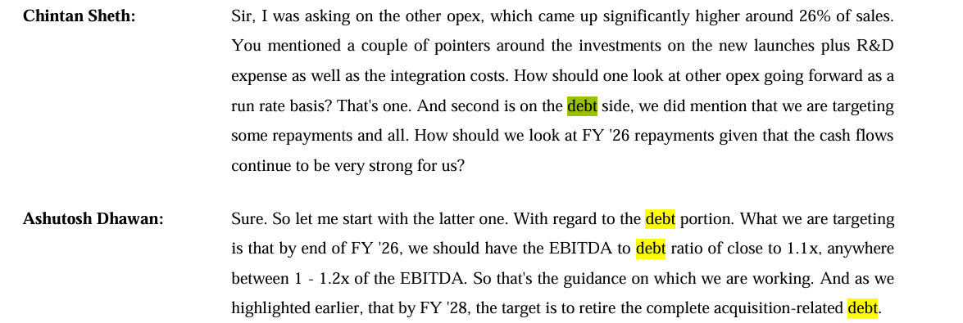
 |  |  |  |  |  |  |  |  |  |  |  |  |  |  |  |  |  |  |  |  |  |  |  |  | Sunpharma |  |  |  |  |  |  | Dr Reddy
 |  |  |  |  |  |  |  | LTB |  |  |  |  |  |  |  |  | Median | Average |  |  |  |  | 2021 | 2022 | 2023 | 2024 | 2025 |  |  | 2021 | 2022 | 2023 | 2024 | 2025
 |  |  |  |  |  |  |  |  | 2024 | 2025 | 2026 | 2027 | 2028 | 2029 | 2030 |  |  |  |  |  |  | Debt | 3343 | 930 | 6197 | 1870 | 2846 |  | Debt | 2694 | 3088 | 1119 | 16523 | 41845
 |  |  |  |  |  |  |  | EBITDA | 2,535 | 2652 | 2175.0 | 2634.6 | 3145.6 | 3701.7 | 4293.1 |  |  |  |  |  |  | Equity | 49479 | 51066 | 59315 | 67125 | 72485 |  | Equity | 17641 | 19212 | 23286 | 28254 | 33927
 |  |  |  |  |  |  |  | Debt | 25 | 5,526 | 1813 | 2196 | 2621 | 4812 | 5581 |  |  |  |  |  |  | D/E | 0.07x | 0.02x | 0.10x | 0.03x | 0.04x |  | D/E | 0.15x | 0.16x | 0.05x | 0.58x | 1.23x
 |  |  |  |  |  |  |  | EBITDA to Debt Ratio | 101.94 | 0.48 | 1.2 | 1.2 | 1.2 | 1.3 | 1.3 |  | 1.2 | 1.2 |  |  |  | D/D+E | 0.06x | 0.02x | 0.09x | 0.03x | 0.04x |  | D/D+E | 0.13x | 0.14x | 0.05x | 0.37x | 0.55x
 |  |  |  |  |  |  |  | Debt Growth YoY % | 7.3% | 22122.4% | -67.2% | 21.1% | 19.4% | 83.6% | 16.0% |  | 19.4% | 14.6% |  |  |  |  |  | 5Y avg | 0.05x | 0.05x |  |  |  |  | 5Y avg | 0.44x | 0.25x
 |  |  |  |  |  |  |  | Revenue | 10,335 | 12,207 | 14,404 | 16,781 | 19,298 | 21,903 | 24,532
 |  |  |  |  |  |  |  |  |  |  |  |  |  |  |  |  |  |  |  |  |  |  |  |  | Torrent |  |  |  |  |  |  | Zydus
 |  |  |  |  |  |  |  | Debt to Revenue % | 0.2% | 45.3% | 12.6% | 13.1% | 13.6% | 22.0% | 22.8% |  | 13.6% | 16.8% |  |  |  |  | 2021 | 2022 | 2023 | 2024 | 2025 |  |  | 2021 | 2022 | 2023 | 2024 | 2025
 |  |  |  |  |  |  |  |  |  |  |  |  |  |  |  |  |  |  |  |  |  | Debt | 3645 | 4017 | 5297 | 3936 | 3025 |  | Debt | 3304 | 4195 | 1163 | 3169 | 768
 |  |  |  |  |  |  |  |  |  |  |  |  |  |  |  |  |  |  |  |  |  | Equity | 5837 | 5952 | 6198 | 6856 | 7590 |  | Equity | 12744 | 19053 | 19688 | 22101 | 26358
 |  |  |  |  |  |  |  | Total Debt |  |  |  |  |  |  |  |  | Median | Average |  |  |  | D/E | 0.62x | 0.67x | 0.85x | 0.57x | 0.40x |  | D/E | 0.26x | 0.22x | 0.06x | 0.14x | 0.03x
 |  |  |  |  |  |  |  |  | 2024 | 2025 | 2026 | 2027 | 2028 | 2029 | 2030 |  |  |  |  |  |  | D/D+E | 0.38x | 0.40x | 0.46x | 0.36x | 0.28x |  | D/D+E | 0.21x | 0.18x | 0.06x | 0.13x | 0.03x
 |  |  |  |  |  |  |  | EBITDA | 2,535 | 2,652 | 3,097 | 3,709 | 4,381 | 5,103 | 5,863 |  |  |  |  |  |  |  |  | 5Y avg | 0.63x | 0.38x |  |  |  |  | 5Y avg | 0.14x | 0.12x
 |  |  |  |  |  |  |  | Debt | 196 | 8,483 | 2581 | 3090 | 3651 | 6635 | 7622
 |  |  |  |  |  |  |  | EBITDA to Debt Ratio | 12.93 | 0.31 | 1.2 | 1.2 | 1.2 | 1.3 | 1.3 |  | 1.2 | 1.2 |  |  |  |  |  |  | Cipla
 |  |  |  |  |  |  |  | Debt Growth YoY % | 40.5% | 4227.3% | -69.6% | 19.8% | 18.1% | 81.7% | 14.9% |  | 18.1% | 13.0% |  |  |  |  | 2021 | 2022 | 2023 | 2024 | 2025
In the recent years , the company has drastically increased the long term debt from ~14% of the total debt in 2023 to
~65% of the total debt in 2025 with increase in Debt to Equity ratio from ~0.02x to ~0.6x , Debt to Capital ratio
being from ~0.02x to ~0.4x , Debt to Asset ratio at ~0.02x to 0.3x and Debt to EBITDA ratio at ~0.1x to 3.2x in the
respective years
The management is working on reducing the debt levels further in future , Also the company has increased the usage
of Short term Debts to fund its cyclical operations due to which debt levels are usually high and the management has
guided to pay off the acquisition related debt by FY'28 which was taken in FY'24-25 .
As per management guidance , of EBITDA to debt ratio being ~1.2 for the CY25 & 26 . and assuming debt figures for the next few years to be depend upon it only
We assume long term growth to reduce to ~1.2x in upcoming years , and stay at ~1.4x further .being on an average of ~12.6% of revenue.
 |  |  |  |  |  |  |  | Revenue | 10,335 | 12,207 | 14,404 | 16,781 | 19,298 | 21,903 | 24,532 |  |  |  |  |  |  | Debt | 1754 | 823 | 520 | 247 | 91
 |  |  |  |  |  |  |  |  |  |  |  |  |  |  |  |  |  |  |  |  |  | Equity | 16585 | 21117 | 23713 | 26802 | 31289
 |  |  |  |  |  |  |  | Debt to Revenue % | 1.9% | 69.5% | 17.9% | 18.4% | 18.9% | 30.3% | 31.1% |  | 18.9% | 23.3% |  |  |  | D/E | 0.11x | 0.04x | 0.02x | 0.01x | 0.00x
 |  |  |  |  |  |  |  |  |  |  |  |  |  |  |  |  |  |  |  |  |  | D/D+E | 0.10x | 0.04x | 0.02x | 0.01x | 0.00x
 |  |  |  |  |  |  |  |  |  |  |  |  |  |  |  |  |  |  |  |  |  |  |  | 5Y avg | 0.04x | 0.03x

# | Debt

 | Particulars | 2019 | 2020 | 2021 | 2022 | 2023 | 2024 | 2025
 | Total Borrowings | 267 | 102 | 216 | 868 | 163 | 196 | 8,483
 | Interest Cost | 43 | 22 | 20 | 59 | 44 | 34 | 429
 | InterestCost%TB | 16.1% | 21.4% | 9.3% | 6.8% | 27.3% | 17.1% | 5.1%

 | Particulars | Interest Rate | Amount
 |  | 8.50% | 8.13
 |  | 7.20% | 281
 |  | 7.65% | 1932
 |  | 3.89% | 48
 |  | 7.00% | 308
 |  | 10.0% | 4.8
 |  | 8.74% | 46.8
 |  | 7.48%

# | Other Income
 | Particulars | 2019 | 2020 | 2021 | 2022 | 2023 | 2024 | 2025 |  | Median | Average
 | Revenue | 4,980 | 5,872 | 6,224 | 7,782 | 8,749 | 10,335 | 12,207
 | Other Income | 53 | 104 | 161 | 196 | 129 | 281 | 537

 | OtherIncome%Revenue | 1.1% | 1.8% | 2.6% | 2.5% | 1.5% | 2.7% | 4.4% |  | 3.1% | 2.4%

 |  | We assume Other Income to remain flat at ~3% of revenue

# | Dividend
 | Particulars | 2019 | 2020 | 2021 | 2022 | 2023 | 2024 | 2025
 | Revenue | (932) | (1,297) | (1,373) | (2,058) | (1,814) | (1,854) | (2,016)
 | Dividend | - | - | - | - | - | - | -

 | OtherIncome%Revenue | 0.0% | 0.0% | 0.0% | 0.0% | 0.0% | 0.0% | 0.0%

 |  | We assume Dividend to remain 0 only

# | Investments
 | Particulars | 2015 | 2016 | 2017 | 2018 | 2019 | 2020 | 2021 | 2022 | 2023 | 2024 | 2025 |  | Median | Average
 | Revenue | 3,323 | 3,944 | 4,382 | 4,921 | 4,980 | 5,872 | 6,224 | 7,782 | 8,749 | 10,335 | 12,207
 | Investments | 737 | 655 | 848 | 650 | 543 | 665 | 1,306 | 874 | 1,075 | 2,258 | 1,691
 | Investments%Revenue | 22.2% | 16.6% | 19.4% | 13.2% | 10.9% | 11.3% | 21.0% | 11.2% | 12.3% | 21.8% | 13.9% |  | 13.9% | 15.8%

# | Cash Analysis

 | Particulars | 2019 | 2020 | 2021 | 2022 | 2023 | 2024 | 2025 | 2026 | 2027 | 2028 | 2029 | 2030
 | Total Cash | 116 | 226 | 167 | 303 | 305 | 382 | 407 | 1,161 | 3,014 | 5,297 | 8,250 | 11,410
 | Revenue | 4,980 | 5,872 | 6,224 | 7,782 | 8,749 | 10,335 | 12,207 | 14,404 | 16,781 | 19,298 | 21,903 | 24,532

 | Cash%Revenue | 2.3% | 3.9% | 2.7% | 3.9% | 3.5% | 3.7% | 3.3% | 8.1% | 18.0% | 27.4% | 37.7% | 46.5%

 | Total Asset | 4,102 | 5,068 | 6,373 | 9,148 | 9,715 | 11,963 | 27,760 | 28,005 | 30,898 | 34,312 | 38,515 | 42,883

 | Cash%TotalAsset | 2.8% | 4.5% | 2.6% | 3.3% | 3.1% | 3.2% | 1.5% | 4.1% | 9.8% | 15.4% | 21.4% | 26.6%

 | Assumed Operating Cash % Revenue | 2% | 4% | 3% | 4% | 3% | 4% | 3% | 3% | 3% | 3% | 3% | 3%

 | Operating Cash | 116 | 226 | 167 | 303 | 305 | 382 | 407 | 432 | 503 | 579 | 657 | 736

 | Excess Cash | 0 | 0 | 0 | 0 | 0 | 0 | 0 | 729 | 2,510 | 4,718 | 7,593 | 10,674

Growth Drivers
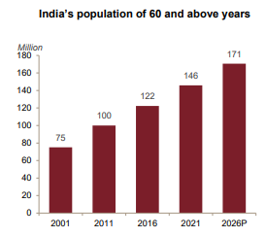
Young Population 18-24 Years (Working)
Ageing Population leading to arthritis , cardiovascular disorders
Growth in Cancer , Diabaties diseases
Changing lifestyle choices
Increased in life expentancy
Growth in e-commerce pharmacies
Growing trade generics segment
Growth in medical tourists

 | Year | Young Population Working
 | 2019 | 66.94%
 | 2020 | 67.24%
 | 2021 | 67.55%
 | 2022 | 67.81%
Accelerated Urbaniztion
 | 2023 | 68.02% |  |  |  |  |  |  | https://www.amanta.co.in/public/assets/pdf/Investors/Material-Document/industry-report.pdf
 | https://www.statista.com/statistics/271315/age-distribution-in-india/

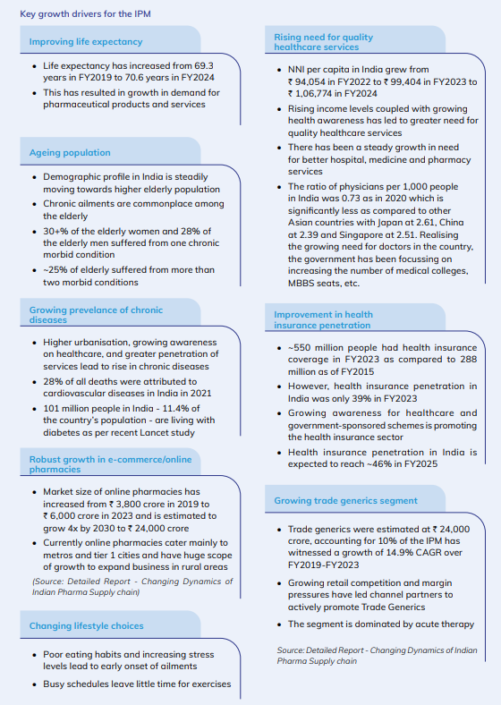
 | Indian Urban Population - Historical Data
 | Year | Population | % of Total | Year | Urban | Rural | Total | % of Total
 | 2023 | 522,939,628 | 35.2 | 2019 | 47 | 91 | 138 | 33.8%
 | 2022 | 508,368,361 | 35.9 | 2020 | 49 | 91 | 140 | 34.8%
 | 2021 | 498,179,071 | 35.4 | 2021 | 50 | 91 | 141 | 35.3%
 | 2020 | 487,702,168 | 34.9 | 2022 | 51 | 91 | 142 | 35.7%
 | 2019 | 465,871,825 | 34.5 | 2023 | 52 | 92 | 144 | 36.4%

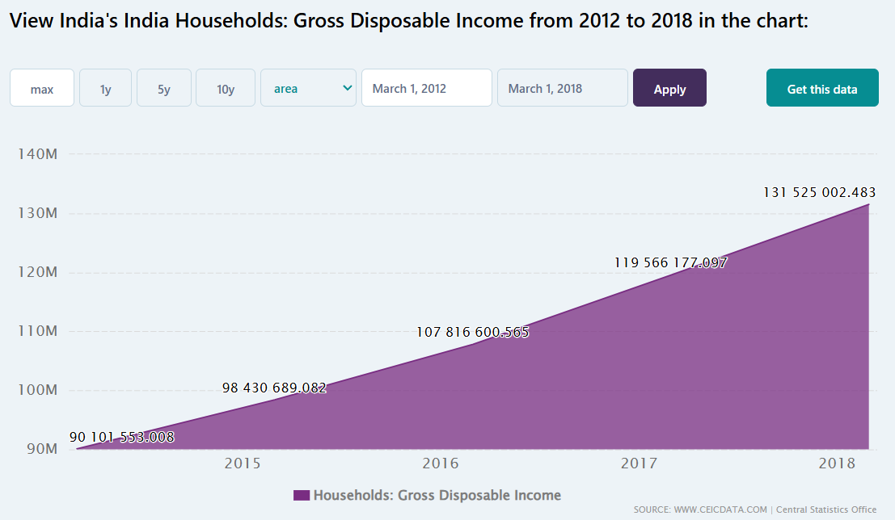
 | Indian Rural Population - Historical Data
 | Year | Population
 | 2023 | 915,129,968
 | 2022 | 914,095,397
 | 2021 | 913,674,711
 | 2020 | 912,739,439
 | 2019 | 912,465,699

 |  |  |  | https://www.ceicdata.com/en/india/nas-20112012-national-and-personal-disposable-income/households-gross-disposable-income

 | Indian Patients (in millions)
 | Year | Cancer | Diabetes
 | 2019 | 1.35 | 70
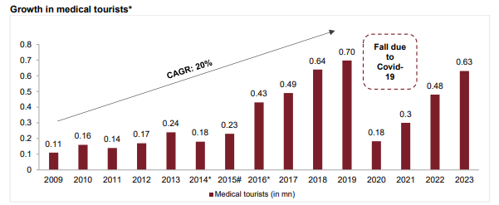
 | 2020 | 1.39 | 72
 | 2021 | 1.42 | 74.2
 | 2022 | 1.46 | 212
 | 2023 | 1.49 | 101
 | Source : LiveMint , ……

 | Years | CardioVascular Patients
 | 2019 | 59.3
 | 2020 | 60.9
 | 2021 | 62.7
 | 2022 | 64.4
 | 2023 | 66.3
Data was available for 2016 only but approx growth is 2.83% inc |  |  |  | https://www.amanta.co.in/public/assets/pdf/Investors/Material-Document/industry-report.pdf

